CATL_25C_0.9pu
 |  |  | Sunny Central Storage UP Inverter PQ Capability

SCS UP (XT) device |  |  |  | 3600 UP-XT |  |  |  | All values on inverter terminal level!
Design temperature |  |  |  | 25 |  | °C |  | Power Factor adjustable: 0.0 UE to 0.0 OE
Installation Altitude |  |  |  | 0 … 1000 |  | m
Max. Battery Voltage (min. 1200V)* |  |  |  | 1490 |  | VDC
Nom. Battery Voltage** |  |  |  | 1291.4 |  | VDC
Min. Battery Voltage*** |  |  |  | 1159 |  | VDC |  | Please select:
AC Voltage |  |  |  | 0.9 |  | pu |  | Project plant specific |  |  | VArRtg: | 2520 | kVAr
PF Dis-OE (@min battery voltage) |  |  |  | 0
PF Cha-OE (@nom battery voltage) |  |  |  | 0

 | PQ-Diagram - SCS 3600 UP-XT @25°C, 1159Vdc min. battery voltage and 0.9pu AC voltage
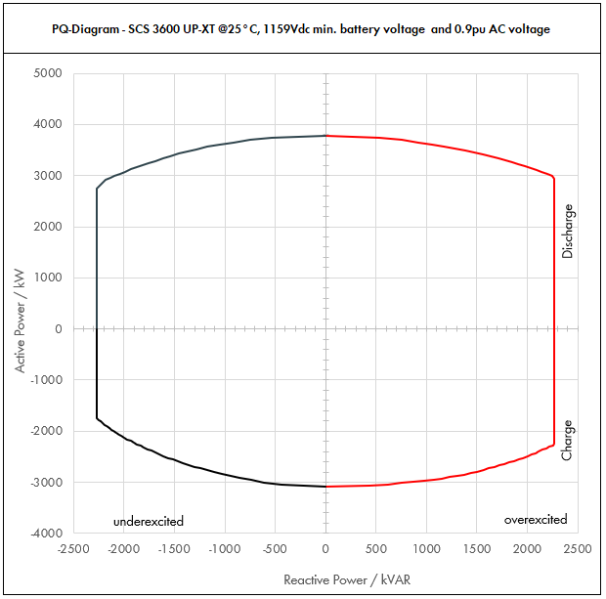

 | Apparent Power [kVA] |  |  |  | Active Power [kW] |  |  |  | Reactive Power [kVAR]
PF | Dis-OE | Dis-UE | Cha-OE | Cha-UE | Dis-OE | Dis-UE | Cha-OE | Cha-UE | Dis-OE | Dis-UE | Cha-OE | Cha-UE
0 | 2268.0028456 | 2268.002273 | 2268.0024726 | 2268.0019661 | 0 | 0 | 0 | 0 | 2268.0028456 | -2268.002273 | 2268.0024726 | -2268.0019661
0.01 | 2268.0028456 | 2268.002273 | 2268.0024726 | 2268.0019661 | 0.022680028456 | 0.02268002273 | -0.022680024726 | -0.022680019661 | 2268.0028455 | -2268.0022729 | 2268.0024724 | -2268.001966
0.05 | 2282.2279698 | 2279.3649022 | 2280.3628039 | 2277.8304203 | 114.11139849 | 113.96824511 | -114.0181402 | -113.89152101 | 2268.0028456 | -2268.002273 | 2268.0024726 | -2268.002273
0.1 | 2296.4559396 | 2290.7298044 | 2292.7256078 | 2287.6608405 | 229.64559396 | 229.07298044 | -229.27256078 | -228.76608405 | 2268.0028456 | -2268.002273 | 2268.0024726 | -2268.002273
0.15 | 2338.5096548 | 2325.2825914 | 2328.3628761 | 2315.3944176 | 350.77644822 | 348.7923887 | -349.25443142 | -347.30916264 | 2268.0028456 | -2268.002273 | 2268.0024726 | -2268.002273
0.2 | 2380.56337 | 2359.8353783 | 2364.0001444 | 2343.1279947 | 476.112674 | 471.96707566 | -472.80002889 | -468.62559893 | 2268.0028456 | -2268.002273 | 2268.0024726 | -2268.002273
0.25 | 2449.5714383 | 2417.0691088 | 2420.2186084 | 2387.0711282 | 612.39285957 | 604.2672772 | -605.05465209 | -596.76778204 | 2268.0028456 | -2268.002273 | 2268.0024726 | -2268.002273
0.3 | 2518.5795065 | 2474.3028393 | 2476.4370723 | 2431.0142616 | 755.57385196 | 742.29085179 | -742.93112168 | -729.30427849 | 2268.0028456 | -2268.002273 | 2268.0024726 | -2268.002273
0.35 | 2609.4155429 | 2554.2344461 | 2550.310366 | 2489.0566142 | 913.29544 | 893.98205612 | -892.60862812 | -871.16981496 | 2268.0028456 | -2268.002273 | 2268.0024726 | -2268.002273
0.4 | 2700.2515792 | 2634.1660528 | 2624.1836598 | 2547.0989667 | 1080.1006317 | 1053.6664211 | -1049.6734639 | -1018.8395867 | 2268.0028456 | -2268.002273 | 2268.0024726 | -2268.002273
0.45 | 2809.7043509 | 2734.1702812 | 2712.3966837 | 2616.821917 | 1264.3669579 | 1230.3766265 | -1220.5785077 | -1177.5698626 | 2268.0028456 | -2268.002273 | 2268.0024726 | -2268.002273
0.5 | 2919.1571226 | 2834.1745095 | 2800.6097076 | 2686.5448672 | 1459.5785613 | 1417.0872548 | -1400.3048538 | -1343.2724336 | 2268.0028456 | -2268.002273 | 2268.0024726 | -2268.002273
0.51 | 2944.2393536 | 2858.0423387 | 2819.823718 | 2703.4480124 | 1501.5620704 | 1457.6015927 | -1438.1100962 | -1378.7584863 | 2268.0028456 | -2268.002273 | 2268.0024726 | -2268.002273
0.52 | 2969.3215847 | 2881.9101678 | 2839.0377284 | 2720.3511576 | 1544.0472241 | 1498.5932873 | -1476.2996188 | -1414.582602 | 2268.0028456 | -2268.002273 | 2268.0024726 | -2268.002273
0.53 | 2994.4038158 | 2905.777997 | 2858.2517388 | 2737.2543028 | 1587.0340224 | 1540.0623384 | -1514.8734216 | -1450.7447805 | 2268.0028456 | -2268.002273 | 2268.0024726 | -2268.002273
0.54 | 3019.4860469 | 2929.6458261 | 2877.4657492 | 2754.157448 | 1630.5224653 | 1582.0087461 | -1553.8315046 | -1487.2450219 | 2268.0028456 | -2268.002273 | 2268.0024726 | -2268.002273
0.55 | 3044.5682779 | 2953.5136553 | 2896.6797597 | 2771.0605932 | 1674.5125529 | 1624.4325104 | -1593.1738678 | -1524.0833262 | 2268.0028456 | -2268.002273 | 2268.0024726 | -2268.002273
0.56 | 3069.650509 | 2977.3814844 | 2915.8937701 | 2787.9637384 | 1719.004285 | 1667.3336313 | -1632.9005112 | -1561.2596935 | 2268.0028456 | -2268.002273 | 2268.0024726 | -2268.002273
0.57 | 3094.7327401 | 3001.2493136 | 2935.1077805 | 2804.8668835 | 1763.9976618 | 1710.7121087 | -1673.0114349 | -1598.7741236 | 2268.0028456 | -2268.002273 | 2268.0024726 | -2268.002273
0.58 | 3119.8149711 | 3025.1171427 | 2954.3217909 | 2821.7700287 | 1809.4926833 | 1754.5679428 | -1713.5066387 | -1636.6266167 | 2268.0028456 | -2268.002273 | 2268.0024726 | -2268.002273
0.59 | 3144.8972022 | 3048.9849718 | 2973.5358013 | 2838.6731739 | 1855.4893493 | 1798.9011334 | -1754.3861228 | -1674.8171726 | 2268.0028456 | -2268.002273 | 2268.0024726 | -2268.002273
0.6 | 3169.9794333 | 3072.852801 | 2992.7498117 | 2855.5763191 | 1901.98766 | 1843.7116806 | -1795.649887 | -1713.3457915 | 2268.0028456 | -2268.002273 | 2268.0024726 | -2268.002273
0.61 | 3197.497005 | 3101.1889808 | 3013.66951 | 2860.965952 | 1950.473173 | 1891.7252783 | -1838.3384011 | -1745.1892307 | 2268.0028456 | -2268.002273 | 2268.0024726 | -2267.0334641
0.62 | 3225.0145767 | 3129.5251606 | 3034.5892084 | 2866.3555849 | 1999.5090376 | 1940.3055996 | -1881.4453092 | -1777.1404626 | 2268.0028456 | -2268.002273 | 2268.0024726 | -2248.9477795
0.63 | 3252.5321485 | 3157.8613405 | 3055.5089067 | 2871.7452178 | 2049.0952535 | 1989.4526445 | -1924.9706112 | -1809.1994872 | 2268.0028456 | -2268.002273 | 2268.0024726 | -2230.1833582
0.64 | 3280.0497202 | 3186.1975203 | 3076.428605 | 2877.1348507 | 2099.2318209 | 2039.166413 | -1968.9143072 | -1841.3663044 | 2268.0028456 | -2268.002273 | 2268.0024726 | -2210.7182276
0.65 | 3307.5672919 | 3214.5337001 | 3097.3483033 | 2882.5244836 | 2149.9187397 | 2089.4469051 | -2013.2763972 | -1873.6409143 | 2268.0028456 | -2268.002273 | 2268.0024726 | -2190.5289595
0.66 | 3335.0848636 | 3242.8698799 | 3118.2680017 | 2887.9141165 | 2201.15601 | 2140.2941208 | -2058.0568811 | -1906.0233169 | 2268.0028456 | -2268.002273 | 2268.0024726 | -2169.5905281
0.67 | 3362.6024354 | 3271.2060597 | 3139.1877 | 2893.3037493 | 2252.9436317 | 2191.70806 | -2103.255759 | -1938.5135121 | 2268.0028456 | -2268.002273 | 2268.0024726 | -2147.8761486
0.68 | 3390.1200071 | 3299.5422396 | 3160.1073983 | 2898.6933822 | 2305.2816048 | 2243.6887229 | -2148.8730309 | -1971.1114999 | 2268.0028456 | -2268.002273 | 2268.0024726 | -2125.3570945
0.69 | 3417.6375788 | 3327.8784194 | 3181.0270966 | 2904.0830151 | 2358.1699294 | 2296.2361094 | -2194.9086967 | -2003.8172804 | 2268.0028456 | -2268.002273 | 2268.0024726 | -2102.0024894
0.7 | 3445.1551506 | 3356.2145992 | 3201.946795 | 2909.472648 | 2411.6086054 | 2349.3502194 | -2241.3627565 | -2036.6308536 | 2268.0028456 | -2268.002273 | 2268.0024726 | -2077.7790681
0.71 | 3474.8330091 | 3384.6412395 | 3201.2379159 | 2912.5671373 | 2467.1314364 | 2403.0952801 | -2272.8789203 | -2067.9226674 | 2268.0028456 | -2268.002273 | 2254.3171046 | -2051.0346585
0.72 | 3504.5108676 | 3413.0678799 | 3200.5290369 | 2915.6616265 | 2523.2478247 | 2457.4088735 | -2304.3809065 | -2099.2763711 | 2268.0028456 | -2268.002273 | 2221.0841392 | -2023.393545
0.73 | 3534.1887261 | 3441.4945202 | 3199.8201578 | 2918.7561157 | 2579.95777 | 2512.2909998 | -2335.8687152 | -2130.6919645 | 2268.0028456 | -2268.002273 | 2186.9079513 | -1994.8155342
0.74 | 3563.8665846 | 3469.9211606 | 3199.1112787 | 2921.850605 | 2637.2612726 | 2567.7416588 | -2367.3423463 | -2162.1694477 | 2268.0028456 | -2268.002273 | 2151.7442202 | -1965.2567866
0.75 | 3593.5444431 | 3498.3478009 | 3198.4023997 | 2924.9450942 | 2695.1583323 | 2623.7608507 | -2398.8017998 | -2193.7088206 | 2268.0028456 | -2268.002273 | 2115.5443356 | -1934.6693294
0.76 | 3623.2223016 | 3526.7744412 | 3197.6935206 | 2928.0395834 | 2753.6489492 | 2680.3485753 | -2430.2470757 | -2225.3100834 | 2268.0028456 | -2268.002273 | 2078.2547974 | -1903.0004821
0.77 | 3652.9001601 | 3555.2010816 | 3196.9846416 | 2931.1340727 | 2812.7331233 | 2737.5048328 | -2461.678174 | -2256.9732359 | 2268.0028456 | -2268.002273 | 2039.816503 | -1870.192173
0.78 | 3682.5780186 | 3583.6277219 | 3196.2757625 | 2934.2285619 | 2872.4108545 | 2795.2296231 | -2493.0950948 | -2288.6982783 | 2268.0028456 | -2242.5608138 | 2000.1638929 | -1836.1801231
0.79 | 3712.2558771 | 3612.0543623 | 3195.5668835 | 2937.3230511 | 2932.6821429 | 2853.5229462 | -2524.4978379 | -2320.4852104 | 2268.0028456 | -2214.575244 | 1959.2239211 | -1800.8928605
0.8 | 3741.9337356 | 3640.4810026 | 3194.8580044 | 2940.4175404 | 2993.5469885 | 2912.3848021 | -2555.8864035 | -2352.3340323 | 2245.1602414 | -2184.2886016 | 1916.9148026 | -1764.2505242
0.81 | 3742.8718136 | 3646.746073 | 3191.608328 | 2945.5835847 | 3031.726169 | 2953.8643191 | -2585.2027457 | -2385.9227036 | 2194.9318552 | -2138.5608491 | 1871.6544775 | -1727.3782177
0.82 | 3743.8098915 | 3653.0111434 | 3188.3586517 | 2950.7496291 | 3069.9241111 | 2995.4691376 | -2614.4540944 | -2419.6146959 | 2142.8202109 | -2090.8503198 | 1824.9001836 | -1688.9014469
0.83 | 3744.7479695 | 3659.2762139 | 3185.1089753 | 2955.9156735 | 3108.1408147 | 3037.1992575 | -2643.6404495 | -2453.410009 | 2088.6833247 | -2041.0103085 | 1776.5371818 | -1648.7015487
0.84 | 3745.6860474 | 3665.5412843 | 3181.859299 | 2961.0817179 | 3146.3762798 | 3079.0546788 | -2672.7618111 | -2487.3086431 | 2032.3583029 | -1988.8728445 | 1726.433578 | -1606.6426654
0.85 | 3746.6241253 | 3671.8063547 | 3178.6096226 | 2966.2477623 | 3184.6305065 | 3121.0354015 | -2701.8181792 | -2521.310598 | 1973.6567263 | -1934.24402 | 1674.43652 | -1562.5679685
0.86 | 3747.5622033 | 3678.0714251 | 3175.3599462 | 2971.4138067 | 3222.9034948 | 3163.1414256 | -2730.8095538 | -2555.4158738 | 1912.3586302 | -1876.8979008 | 1620.3672328 | -1516.2947348
0.87 | 3748.5002812 | 3684.3364955 | 3172.1102699 | 2976.5798511 | 3261.1952447 | 3205.3727511 | -2759.7359348 | -2589.6244705 | 1848.2045164 | -1816.5684514 | 1564.0144291 | -1467.6078195
0.88 | 3749.4383592 | 3690.601566 | 3168.8605935 | 2981.7458955 | 3299.5057561 | 3247.729378 | -2788.5973223 | -2623.936388 | 1780.8845484 | -1752.93862 | 1505.1253885 | -1416.2508312
0.89 | 3750.3764371 | 3696.8666364 | 3165.6109172 | 2986.9119399 | 3337.835029 | 3290.2113064 | -2817.3937163 | -2658.3516265 | 1710.0236077 | -1685.6252509 | 1443.3936145 | -1361.9139351
0.9 | 3751.314515 | 3703.1317068 | 3162.3612408 | 2992.0779843 | 3376.1830635 | 3332.8185361 | -2846.1251167 | -2692.8701859 | 1635.1600877 | -1614.1576885 | 1378.4413072 | -1304.2165565
0.91 | 3752.1151379 | 3713.5735437 | 3155.5895577 | 2998.4455007 | 3414.4247755 | 3379.3519247 | -2871.5864975 | -2728.5854056 | 1555.6578868 | -1539.6782238 | 1308.3334605 | -1243.1802383
0.92 | 3752.9157608 | 3724.0153805 | 3148.8178745 | 3004.8130171 | 3452.6824999 | 3426.0941501 | -2896.9124445 | -2764.4279757 | 1470.8365859 | -1459.5099962 | 1234.0795337 | -1177.6413863
0.93 | 3753.7163837 | 3734.4572174 | 3142.0461913 | 3011.1805334 | 3490.9562368 | 3473.0452121 | -2922.1029579 | -2800.3978961 | 1379.7141884 | -1372.6352985 | 1154.8889867 | -1106.7880685
0.94 | 3754.5170066 | 3744.8990542 | 3135.2745082 | 3017.5480498 | 3529.2459862 | 3520.205111 | -2947.1580377 | -2836.4951668 | 1280.9452454 | -1277.6638459 | 1069.6755314 | -1029.5102727
0.95 | 3755.3176294 | 3755.3408911 | 3128.502825 | 3023.9155662 | 3567.551748 | 3567.5738465 | -2972.0776837 | -2872.7197879 | 1172.597554 | -1172.6048174 | 976.87469401 | -944.21733291
0.96 | 3760.2541035 | 3760.2727128 | 3119.7025205 | 3036.0327135 | 3609.8439394 | 3609.8618043 | -2994.9144197 | -2914.5914049 | 1052.871149 | -1052.8763596 | 873.51670575 | -850.08915978
0.97 | 3765.1905777 | 3765.2045346 | 3110.902216 | 3048.1498608 | 3652.2348603 | 3652.2483986 | -3017.5751496 | -2956.7053649 | 915.33633769 | -915.3397307 | 756.27562074 | -741.02021471
0.98 | 3770.1270518 | 3770.1363564 | 3102.1019116 | 3060.267008 | 3694.7245107 | 3694.7336293 | -3040.0598733 | -2999.0616679 | 750.24581056 | -750.24766216 | 617.31048613 | -608.98544544
0.99 | 3775.0635259 | 3775.0681782 | 3093.3016071 | 3072.3841553 | 3737.3128906 | 3737.3174964 | -3062.368591 | -3041.6603138 | 532.53824466 | -532.53890095 | 436.36389077 | -433.41312107
1 | 3780 | 3780 | 3084.5013026 | 3084.5013026 | 3780 | 3780 | -3084.5013026 | -3084.5013026 | 0 | 0 | 0 | 0

Dis-OE: Discharge Overexcited |  |  |  | Overexcited (OE): +Q, +PF, Leading PF, Injecting kVAR
Dis-UE: Discharge Underexcited |  |  |  | Underexcited (UE): -Q, -PF, Lagging PF, Absorbing kVAR
Cha-OE: Charge Overexcited
Cha-UE: Charge Underexcited

* Max. battery voltage is used to determine the charging power (UE and OE)
** Nominal battery voltage is used to determine the discharging power (UE and OE) and the max. power factor for charging OE
*** Min. battery voltage is used to determine the max. power factor for discharging OE

CATL_25C_1.0pu
 |  |  | Sunny Central Storage UP Inverter PQ Capability

SCS UP (XT) device |  |  |  | 3600 UP-XT |  |  |  | All values on inverter terminal level!
Design temperature |  |  |  | 25 |  | °C |  | Power Factor adjustable: 0.0 UE to 0.0 OE
Installation Altitude |  |  |  | 0 … 1000 |  | m
Max. Battery Voltage (min. 1200V)* |  |  |  | 1490 |  | VDC
Nom. Battery Voltage** |  |  |  | 1291.4 |  | VDC
Min. Battery Voltage*** |  |  |  | 1159 |  | VDC |  | Please select:
AC Voltage |  |  |  | 1 |  | pu |  | Project plant specific |  |  | VArRtg: | 2520 | kVAr
PF Dis-OE (@min battery voltage) |  |  |  | 0
PF Cha-OE (@nom battery voltage) |  |  |  | 0

 | PQ-Diagram - SCS 3600 UP-XT @25°C, 1159Vdc min. battery voltage and 1pu AC voltage
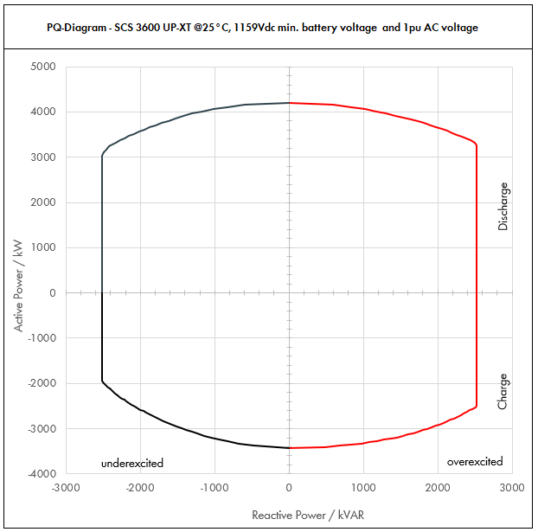

 | Apparent Power [kVA] |  |  |  | Active Power [kW] |  |  |  | Reactive Power [kVAR]
PF | Dis-OE | Dis-UE | Cha-OE | Cha-UE | Dis-OE | Dis-UE | Cha-OE | Cha-UE | Dis-OE | Dis-UE | Cha-OE | Cha-UE
0 | 2520.0031618 | 2520.0025255 | 2520.0027473 | 2520.0021845 | 0 | 0 | 0 | 0 | 2520.0031618 | -2520.0025255 | 2520.0027473 | -2520.0021845
0.01 | 2520.0031618 | 2520.0025255 | 2520.0027473 | 2520.0021845 | 0.025200031618 | 0.025200025255 | -0.025200027473 | -0.025200021845 | 2520.0031616 | -2520.0025254 | 2520.0027472 | -2520.0021844
0.05 | 2535.8088553 | 2532.6276691 | 2533.7364488 | 2530.9226892 | 126.79044277 | 126.63138346 | -126.68682244 | -126.54613446 | 2520.0031618 | -2520.0025255 | 2520.0027473 | -2520.0025255
0.1 | 2551.6177107 | 2545.2553382 | 2547.4728976 | 2541.8453784 | 255.16177107 | 254.52553382 | -254.74728976 | -254.18453784 | 2520.0031618 | -2520.0025255 | 2520.0027473 | -2520.0025255
0.15 | 2598.3440609 | 2583.6473237 | 2587.0698624 | 2572.660464 | 389.75160913 | 387.54709856 | -388.06047935 | -385.8990696 | 2520.0031618 | -2520.0025255 | 2520.0027473 | -2520.0025255
0.2 | 2645.0704111 | 2622.0393092 | 2626.6668271 | 2603.4755496 | 529.01408222 | 524.40786185 | -525.33336543 | -520.69510992 | 2520.0031618 | -2520.0025255 | 2520.0027473 | -2520.0025255
0.25 | 2721.7460425 | 2685.6323431 | 2689.1317871 | 2652.3012535 | 680.43651063 | 671.40808578 | -672.28294677 | -663.07531338 | 2520.0031618 | -2520.0025255 | 2520.0027473 | -2520.0025255
0.3 | 2798.4216739 | 2749.225377 | 2751.596747 | 2701.1269574 | 839.52650218 | 824.7676131 | -825.47902409 | -810.33808721 | 2520.0031618 | -2520.0025255 | 2520.0027473 | -2520.0025255
0.35 | 2899.3506032 | 2838.0382734 | 2833.6781845 | 2765.6184602 | 1014.7727111 | 993.31339569 | -991.78736457 | -967.96646107 | 2520.0031618 | -2520.0025255 | 2520.0027473 | -2520.0025255
0.4 | 3000.2795324 | 2926.8511698 | 2915.759622 | 2830.109963 | 1200.111813 | 1170.7404679 | -1166.3038488 | -1132.0439852 | 2520.0031618 | -2520.0025255 | 2520.0027473 | -2520.0025255
0.45 | 3121.8937232 | 3037.9669791 | 3013.774093 | 2907.5799078 | 1404.8521754 | 1367.0851406 | -1356.1983419 | -1308.4109585 | 2520.0031618 | -2520.0025255 | 2520.0027473 | -2520.0025255
0.5 | 3243.507914 | 3149.0827884 | 3111.788564 | 2985.0498525 | 1621.753957 | 1574.5413942 | -1555.894282 | -1492.5249262 | 2520.0031618 | -2520.0025255 | 2520.0027473 | -2520.0025255
0.51 | 3271.3770596 | 3175.6025985 | 3133.1374645 | 3003.8311249 | 1668.4023004 | 1619.5573253 | -1597.9001069 | -1531.9538737 | 2520.0031618 | -2520.0025255 | 2520.0027473 | -2520.0025255
0.52 | 3299.2462052 | 3202.1224087 | 3154.4863649 | 3022.6123973 | 1715.6080267 | 1665.1036525 | -1640.3329098 | -1571.7584466 | 2520.0031618 | -2520.0025255 | 2520.0027473 | -2520.0025255
0.53 | 3327.1153509 | 3228.6422189 | 3175.8352654 | 3041.3936698 | 1763.371136 | 1711.180376 | -1683.1926906 | -1611.938645 | 2520.0031618 | -2520.0025255 | 2520.0027473 | -2520.0025255
0.54 | 3354.9844965 | 3255.162029 | 3197.1841658 | 3060.1749422 | 1811.6916281 | 1757.7874957 | -1726.4794495 | -1652.4944688 | 2520.0031618 | -2520.0025255 | 2520.0027473 | -2520.0025255
0.55 | 3382.8536421 | 3281.6818392 | 3218.5330663 | 3078.9562146 | 1860.5695032 | 1804.9250116 | -1770.1931865 | -1693.425918 | 2520.0031618 | -2520.0025255 | 2520.0027473 | -2520.0025255
0.56 | 3410.7227878 | 3308.2016494 | 3239.8819667 | 3097.7374871 | 1910.0047611 | 1852.5929236 | -1814.3339014 | -1734.7329928 | 2520.0031618 | -2520.0025255 | 2520.0027473 | -2520.0025255
0.57 | 3438.5919334 | 3334.7214595 | 3261.2308672 | 3116.5187595 | 1959.997402 | 1900.7912319 | -1858.9015943 | -1776.4156929 | 2520.0031618 | -2520.0025255 | 2520.0027473 | -2520.0025255
0.58 | 3466.461079 | 3361.2412697 | 3282.5797676 | 3135.3000319 | 2010.5474258 | 1949.5199364 | -1903.8962652 | -1818.4740185 | 2520.0031618 | -2520.0025255 | 2520.0027473 | -2520.0025255
0.59 | 3494.3302247 | 3387.7610798 | 3303.9286681 | 3154.0813044 | 2061.6548325 | 1998.7790371 | -1949.3179142 | -1860.9079696 | 2520.0031618 | -2520.0025255 | 2520.0027473 | -2520.0025255
0.6 | 3522.1993703 | 3414.28089 | 3325.2775686 | 3172.8625768 | 2113.3196222 | 2048.568534 | -1995.1665411 | -1903.7175461 | 2520.0031618 | -2520.0025255 | 2520.0027473 | -2520.0025255
0.61 | 3552.77445 | 3445.7655342 | 3348.5216778 | 3178.8510578 | 2167.1924145 | 2101.9169759 | -2042.5982235 | -1939.0991452 | 2520.0031618 | -2520.0025255 | 2520.0027473 | -2518.9260713
0.62 | 3583.3495297 | 3477.2501785 | 3371.7657871 | 3184.8395388 | 2221.6767084 | 2155.8951107 | -2090.494788 | -1974.600514 | 2520.0031618 | -2520.0025255 | 2520.0027473 | -2498.8308662
0.63 | 3613.9246094 | 3508.7348227 | 3395.0098963 | 3190.8280198 | 2276.7725039 | 2210.5029383 | -2138.8562347 | -2010.2216524 | 2520.0031618 | -2520.0025255 | 2520.0027473 | -2477.9815092
0.64 | 3644.4996891 | 3540.219467 | 3418.2540056 | 3196.8165007 | 2332.479801 | 2265.7404589 | -2187.6825636 | -2045.9625605 | 2520.0031618 | -2520.0025255 | 2520.0027473 | -2456.3535862
0.65 | 3675.0747688 | 3571.7041112 | 3441.4981148 | 3202.8049817 | 2388.7985997 | 2321.6076723 | -2236.9737746 | -2081.8232381 | 2520.0031618 | -2520.0025255 | 2520.0027473 | -2433.9210661
0.66 | 3705.6498485 | 3603.1887555 | 3464.7422241 | 3208.7934627 | 2445.7289 | 2378.1045786 | -2286.7298679 | -2117.8036854 | 2520.0031618 | -2520.0025255 | 2520.0027473 | -2410.6561423
0.67 | 3736.2249282 | 3634.6733997 | 3487.9863333 | 3214.7819437 | 2503.2707019 | 2435.2311778 | -2336.9508433 | -2153.9039023 | 2520.0031618 | -2520.0025255 | 2520.0027473 | -2386.5290539
0.68 | 3766.8000079 | 3666.158044 | 3511.2304426 | 3220.7704247 | 2561.4240054 | 2492.9874699 | -2387.636701 | -2190.1238888 | 2520.0031618 | -2520.0025255 | 2520.0027473 | -2361.5078828
0.69 | 3797.3750876 | 3697.6426882 | 3534.4745518 | 3226.7589057 | 2620.1888104 | 2551.3734549 | -2438.7874408 | -2226.4636449 | 2520.0031618 | -2520.0025255 | 2520.0027473 | -2335.5583215
0.7 | 3827.9501673 | 3729.1273325 | 3557.7186611 | 3232.7473867 | 2679.5651171 | 2610.3891327 | -2490.4030628 | -2262.9231707 | 2520.0031618 | -2520.0025255 | 2520.0027473 | -2308.643409
0.71 | 3860.9255656 | 3760.7124884 | 3556.9310177 | 3236.1857081 | 2741.2571516 | 2670.1058668 | -2525.4210226 | -2297.6918527 | 2520.0031618 | -2520.0025255 | 2504.7967829 | -2278.9273984
0.72 | 3893.900964 | 3792.2976443 | 3556.1433743 | 3239.6240294 | 2803.6086941 | 2730.4543039 | -2560.4232295 | -2332.5293012 | 2520.0031618 | -2520.0025255 | 2467.8712658 | -2248.21505
0.73 | 3926.8763623 | 3823.8828003 | 3555.3557309 | 3243.0623508 | 2866.6197445 | 2791.4344442 | -2595.4096835 | -2367.4355161 | 2520.0031618 | -2520.0025255 | 2429.8977237 | -2216.4617047
0.74 | 3959.8517607 | 3855.4679562 | 3554.5680875 | 3246.5006722 | 2930.2903029 | 2853.0462876 | -2630.3803847 | -2402.4104974 | 2520.0031618 | -2520.0025255 | 2390.8269114 | -2183.6186518
0.75 | 3992.827159 | 3887.0531121 | 3553.7804441 | 3249.9389935 | 2994.6203693 | 2915.2898341 | -2665.3353331 | -2437.4542452 | 2520.0031618 | -2520.0025255 | 2350.6048173 | -2149.6325883
0.76 | 4025.8025573 | 3918.638268 | 3552.9928007 | 3253.3773149 | 3059.6099436 | 2978.1650837 | -2700.2745285 | -2472.5667593 | 2520.0031618 | -2520.0025255 | 2309.1719971 | -2114.4449801
0.77 | 4058.7779557 | 3950.223424 | 3552.2051573 | 3256.8156363 | 3125.2590259 | 3041.6720365 | -2735.1979711 | -2507.7480399 | 2520.0031618 | -2520.0025255 | 2266.4627812 | -2077.9913034
0.78 | 4091.753354 | 3981.8085799 | 3551.4175139 | 3260.2539577 | 3191.5676161 | 3105.8106923 | -2770.1056608 | -2542.998087 | 2520.0031618 | -2491.7342375 | 2222.4043255 | -2040.2001368
0.79 | 4124.7287524 | 4013.3937358 | 3550.6298705 | 3263.692279 | 3258.5357144 | 3170.5810513 | -2804.9975977 | -2578.3169004 | 2520.0031618 | -2460.63916 | 2176.9154679 | -2000.9920672
0.8 | 4157.7041507 | 4044.9788918 | 3549.8422271 | 3267.1306004 | 3326.1633206 | 3235.9831134 | -2839.8737817 | -2613.7044803 | 2494.6224904 | -2426.9873351 | 2129.9053363 | -1960.2783602
0.81 | 4158.7464595 | 4051.9400811 | 3546.2314756 | 3272.8706497 | 3368.5846322 | 3282.0714657 | -2872.4474952 | -2651.0252263 | 2438.8131725 | -2376.1787212 | 2079.6160861 | -1919.3091308
0.82 | 4159.7887684 | 4058.9012705 | 3542.6207241 | 3278.610699 | 3411.0267901 | 3328.2990418 | -2904.9489938 | -2688.4607732 | 2380.9113455 | -2323.167022 | 2027.6668707 | -1876.5571632
0.83 | 4160.8310772 | 4065.8624598 | 3539.0099726 | 3284.3507484 | 3453.4897941 | 3374.6658417 | -2937.3782772 | -2726.0111211 | 2320.7592497 | -2267.7892317 | 1973.930202 | -1831.8906096
0.84 | 4161.873386 | 4072.8236492 | 3535.3992211 | 3290.0907977 | 3495.9736442 | 3421.1718653 | -2969.7353457 | -2763.6762701 | 2258.1758922 | -2209.8587162 | 1918.2595312 | -1785.1585172
0.85 | 4162.9156948 | 4079.7848386 | 3531.7884696 | 3295.830847 | 3538.4783406 | 3467.8171128 | -3002.0201991 | -2801.45622 | 2192.9519182 | -2149.1600223 | 1860.4850222 | -1736.1866316
0.86 | 4163.9580037 | 4086.7460279 | 3528.1777181 | 3301.5708964 | 3581.0038831 | 3514.601584 | -3034.2328375 | -2839.3509709 | 2124.8429225 | -2085.442112 | 1800.4080365 | -1684.7719276
0.87 | 4165.0003125 | 4093.7072173 | 3524.5669665 | 3307.3109457 | 3623.5502719 | 3561.525279 | -3066.3732609 | -2877.3605227 | 2053.5605738 | -2018.4093905 | 1737.7938101 | -1630.6753551
0.88 | 4166.0426213 | 4100.6684066 | 3520.956215 | 3313.050995 | 3666.1175067 | 3608.5881978 | -3098.4414692 | -2915.4848756 | 1978.7606094 | -1947.7095778 | 1672.3615428 | -1573.6120347
0.89 | 4167.0849301 | 4107.629596 | 3517.3454635 | 3318.7910443 | 3708.7055878 | 3655.7903404 | -3130.4374625 | -2953.7240295 | 1900.0262308 | -1872.9169455 | 1603.7706828 | -1513.2377056
0.9 | 4168.1272389 | 4114.5907853 | 3513.734712 | 3324.5310937 | 3751.314515 | 3703.1317068 | -3162.3612408 | -2992.0779843 | 1816.8445418 | -1793.5085427 | 1531.6014524 | -1449.1295072
0.91 | 4169.0168199 | 4126.1928263 | 3506.2106196 | 3331.6061119 | 3793.8053061 | 3754.8354719 | -3190.6516638 | -3031.7615618 | 1728.5087631 | -1710.7535821 | 1453.703845 | -1381.3113758
0.92 | 4169.9064009 | 4137.7948672 | 3498.6865272 | 3338.6811301 | 3836.3138888 | 3806.7712778 | -3218.791605 | -3071.5866397 | 1634.2628732 | -1621.6777736 | 1371.1994819 | -1308.4904292
0.93 | 4170.7959819 | 4149.3969082 | 3491.1624348 | 3345.7561483 | 3878.8402631 | 3858.9391246 | -3246.7810644 | -3111.5532179 | 1533.0157649 | -1525.1503317 | 1283.2099853 | -1229.7645205
0.94 | 4171.6855628 | 4160.9989491 | 3483.6383424 | 3352.8311665 | 3921.3844291 | 3911.3390122 | -3274.6200419 | -3151.6612965 | 1423.2724949 | -1419.6264954 | 1188.5283682 | -1143.900303
0.95 | 4172.5751438 | 4172.6009901 | 3476.11425 | 3359.9061847 | 3963.9463866 | 3963.9709406 | -3302.3085375 | -3191.9108754 | 1302.8861711 | -1302.8942416 | 1085.4163267 | -1049.1303699
0.96 | 4178.0601151 | 4178.0807921 | 3466.3361339 | 3373.3696816 | 4010.9377104 | 4010.9575604 | -3327.6826886 | -3238.4348944 | 1169.8568322 | -1169.8626218 | 970.5741175 | -944.54351086
0.97 | 4183.5450863 | 4183.560594 | 3456.5580178 | 3386.8331786 | 4058.0387337 | 4058.0537762 | -3352.8612773 | -3285.2281833 | 1017.0403752 | -1017.0441452 | 840.30624527 | -823.35579412
0.98 | 4189.0300575 | 4189.040396 | 3446.7799017 | 3400.2966756 | 4105.2494564 | 4105.2595881 | -3377.8443037 | -3332.2907421 | 833.60645618 | -833.60851352 | 685.90054014 | -676.65049493
0.99 | 4194.5150288 | 4194.520198 | 3437.0017857 | 3413.7601726 | 4152.5698785 | 4152.574996 | -3402.6317678 | -3379.6225709 | 591.70916073 | -591.70988995 | 484.84876752 | -481.57013453
1 | 4200 | 4200 | 3427.2236696 | 3427.2236696 | 4200 | 4200 | -3427.2236696 | -3427.2236696 | 0 | 0 | 0 | 0

Dis-OE: Discharge Overexcited |  |  |  | Overexcited (OE): +Q, +PF, Leading PF, Injecting kVAR
Dis-UE: Discharge Underexcited |  |  |  | Underexcited (UE): -Q, -PF, Lagging PF, Absorbing kVAR
Cha-OE: Charge Overexcited
Cha-UE: Charge Underexcited

* Max. battery voltage is used to determine the charging power (UE and OE)
** Nominal battery voltage is used to determine the discharging power (UE and OE) and the max. power factor for charging OE
*** Min. battery voltage is used to determine the max. power factor for discharging OE

CATL_25C_1.1pu
 |  |  | Sunny Central Storage UP Inverter PQ Capability

SCS UP (XT) device |  |  |  | 3600 UP-XT |  |  |  | All values on inverter terminal level!
Design temperature |  |  |  | 25 |  | °C |  | Power Factor adjustable: 0.0 UE to 0.0 OE
Installation Altitude |  |  |  | 0 … 1000 |  | m
Max. Battery Voltage (min. 1200V)* |  |  |  | 1490 |  | VDC
Nom. Battery Voltage** |  |  |  | 1291.4 |  | VDC
Min. Battery Voltage*** |  |  |  | 1159 |  | VDC |  | Please select:
AC Voltage |  |  |  | 1.1 |  | pu |  | Project plant specific |  |  | VArRtg: | 2520 | kVAr
PF Dis-OE (@min battery voltage) |  |  |  | 0
PF Cha-OE (@nom battery voltage) |  |  |  | 0

 | PQ-Diagram - SCS 3600 UP-XT @25°C, 1159Vdc min. battery voltage and 1.1pu AC voltage
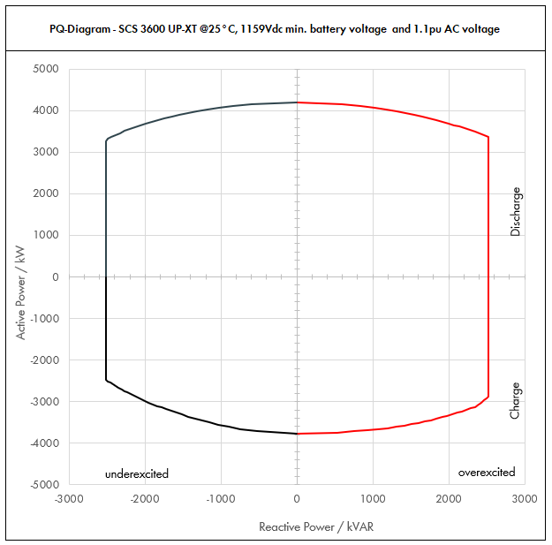

 | Apparent Power [kVA] |  |  |  | Active Power [kW] |  |  |  | Reactive Power [kVAR]
PF | Dis-OE | Dis-UE | Cha-OE | Cha-UE | Dis-OE | Dis-UE | Cha-OE | Cha-UE | Dis-OE | Dis-UE | Cha-OE | Cha-UE
0 | 2520.0034258 | 2520.0026243 | 2520.0033399 | 2520.0025221 | 0 | 0 | 0 | 0 | 2520.0034258 | -2520.0026243 | 2520.0033399 | -2520.0025221
0.01 | 2520.0034258 | 2520.0026243 | 2520.0033399 | 2520.0025221 | 0.025200034258 | 0.025200026243 | -0.025200033399 | -0.025200025221 | 2520.0034256 | -2520.0026241 | 2520.0033397 | -2520.002522
0.05 | 2537.1288491 | 2533.1212677 | 2536.6993435 | 2532.6104958 | 126.85644245 | 126.65606339 | -126.83496717 | -126.63052479 | 2520.0034258 | -2520.0026243 | 2520.0033399 | -2520.0026243
0.1 | 2554.2576982 | 2546.2425355 | 2553.3986869 | 2545.2209915 | 255.42576982 | 254.62425355 | -255.33986869 | -254.52209915 | 2520.0034258 | -2520.0026243 | 2520.0033399 | -2520.0026243
0.15 | 2605.2854664 | 2585.9309591 | 2601.7390043 | 2581.7045547 | 390.79281995 | 387.88964387 | -390.26085065 | -387.2556832 | 2520.0034258 | -2520.0026243 | 2520.0033399 | -2520.0026243
0.2 | 2656.3132345 | 2625.6193828 | 2650.0793217 | 2618.1881178 | 531.26264691 | 525.12387656 | -530.01586434 | -523.63762355 | 2520.0034258 | -2520.0026243 | 2520.0033399 | -2520.0026243
0.25 | 2736.8794431 | 2693.4311302 | 2725.9742895 | 2675.829756 | 684.21986077 | 673.35778254 | -681.49357237 | -668.95743901 | 2520.0034258 | -2520.0026243 | 2520.0033399 | -2520.0026243
0.3 | 2817.4456516 | 2761.2428776 | 2801.8692573 | 2733.4713943 | 845.23369549 | 828.37286327 | -840.56077718 | -820.0414183 | 2520.0034258 | -2520.0026243 | 2520.0033399 | -2520.0026243
0.35 | 2923.0543615 | 2854.2581687 | 2900.3679783 | 2808.1678909 | 1023.0690265 | 998.99035906 | -1015.1287924 | -982.85876182 | 2520.0034258 | -2520.0026243 | 2520.0033399 | -2520.0026243
0.4 | 3028.6630714 | 2947.2734599 | 2998.8666993 | 2882.8643875 | 1211.4652286 | 1178.909384 | -1199.5466797 | -1153.145755 | 2520.0034258 | -2520.0026243 | 2520.0033399 | -2520.0026243
0.45 | 3154.4839676 | 3062.8784404 | 3113.3005631 | 2973.3806815 | 1419.5177854 | 1378.2952982 | -1400.9852534 | -1338.0213067 | 2520.0034258 | -2520.0026243 | 2520.0033399 | -2520.0026243
0.5 | 3280.3048639 | 3178.4834209 | 3227.7344269 | 3063.8969754 | 1640.1524319 | 1589.2417104 | -1613.8672134 | -1531.9484877 | 2520.0034258 | -2520.0026243 | 2520.0033399 | -2520.0026243
0.51 | 3308.6561952 | 3206.5095585 | 3252.0650535 | 3085.6163603 | 1687.4146596 | 1635.3198748 | -1658.5531773 | -1573.6643438 | 2520.0034258 | -2520.0026243 | 2520.0033399 | -2520.0026243
0.52 | 3337.0075265 | 3234.5356961 | 3276.39568 | 3107.3357452 | 1735.2439138 | 1681.958562 | -1703.7257536 | -1615.8145875 | 2520.0034258 | -2520.0026243 | 2520.0033399 | -2520.0026243
0.53 | 3365.3588579 | 3262.5618337 | 3300.7263066 | 3129.0551301 | 1783.6401947 | 1729.1577719 | -1749.3849425 | -1658.3992189 | 2520.0034258 | -2520.0026243 | 2520.0033399 | -2520.0026243
0.54 | 3393.7101892 | 3290.5879713 | 3325.0569332 | 3150.7745149 | 1832.6035022 | 1776.9175045 | -1795.5307439 | -1701.4182381 | 2520.0034258 | -2520.0026243 | 2520.0033399 | -2520.0026243
0.55 | 3422.0615205 | 3318.614109 | 3349.3875598 | 3172.4938998 | 1882.1338363 | 1825.2377599 | -1842.1631579 | -1744.8716449 | 2520.0034258 | -2520.0026243 | 2520.0033399 | -2520.0026243
0.56 | 3450.4128519 | 3346.6402466 | 3373.7181864 | 3194.2132847 | 1932.231197 | 1874.1185381 | -1889.2821844 | -1788.7594394 | 2520.0034258 | -2520.0026243 | 2520.0033399 | -2520.0026243
0.57 | 3478.7641832 | 3374.6663842 | 3398.0488129 | 3215.9326695 | 1982.8955844 | 1923.559839 | -1936.8878234 | -1833.0816216 | 2520.0034258 | -2520.0026243 | 2520.0033399 | -2520.0026243
0.58 | 3507.1155145 | 3402.6925218 | 3422.3794395 | 3237.6520544 | 2034.1269984 | 1973.5616626 | -1984.9800749 | -1877.8381916 | 2520.0034258 | -2520.0026243 | 2520.0033399 | -2520.0026243
0.59 | 3535.4668459 | 3430.7186594 | 3446.7100661 | 3259.3714393 | 2085.9254391 | 2024.1240091 | -2033.558939 | -1923.0291492 | 2520.0034258 | -2520.0026243 | 2520.0033399 | -2520.0026243
0.6 | 3563.8181772 | 3458.744797 | 3471.0406927 | 3281.0908242 | 2138.2909063 | 2075.2468782 | -2082.6244156 | -1968.6544945 | 2520.0034258 | -2520.0026243 | 2520.0033399 | -2520.0026243
0.61 | 3594.6572267 | 3492.1484808 | 3498.2024601 | 3305.5673392 | 2192.7409083 | 2130.2105733 | -2133.9035007 | -2016.3960769 | 2520.0034258 | -2520.0026243 | 2520.0033399 | -2520.0026243
0.62 | 3625.4962762 | 3525.5521645 | 3525.3642276 | 3330.0438542 | 2247.8076912 | 2185.842342 | -2185.7258211 | -2064.6271896 | 2520.0034258 | -2520.0026243 | 2520.0033399 | -2520.0026243
0.63 | 3656.3353256 | 3558.9558482 | 3552.5259951 | 3354.5203692 | 2303.4912552 | 2242.1421844 | -2238.0913769 | -2113.3478326 | 2520.0034258 | -2520.0026243 | 2520.0033399 | -2520.0026243
0.64 | 3687.1743751 | 3592.359532 | 3579.6877625 | 3378.9968843 | 2359.7916001 | 2299.1101005 | -2291.000168 | -2162.5580059 | 2520.0034258 | -2520.0026243 | 2520.0033399 | -2520.0026243
0.65 | 3718.0134246 | 3625.7632157 | 3606.84953 | 3403.4733993 | 2416.708726 | 2356.7460902 | -2344.4521945 | -2212.2577095 | 2520.0034258 | -2520.0026243 | 2520.0033399 | -2520.0026243
0.66 | 3748.8524741 | 3659.1668994 | 3634.0112974 | 3427.9499143 | 2474.2426329 | 2415.0501536 | -2398.4474563 | -2262.4469434 | 2520.0034258 | -2520.0026243 | 2520.0033399 | -2520.0026243
0.67 | 3779.6915236 | 3692.5705832 | 3661.1730649 | 3452.4264293 | 2532.3933208 | 2474.0222907 | -2452.9859535 | -2313.1257077 | 2520.0034258 | -2520.0026243 | 2520.0033399 | -2520.0026243
0.68 | 3810.5305731 | 3725.9742669 | 3688.3348323 | 3476.9029444 | 2591.1607897 | 2533.6625015 | -2508.067686 | -2364.2940022 | 2520.0034258 | -2520.0026243 | 2520.0033399 | -2520.0026243
0.69 | 3841.3696226 | 3759.3779506 | 3715.4965998 | 3501.3794594 | 2650.5450396 | 2593.9707859 | -2563.6926539 | -2415.951827 | 2520.0034258 | -2520.0026243 | 2520.0033399 | -2520.0026243
0.7 | 3872.2086721 | 3792.7816344 | 3742.6583672 | 3525.8559744 | 2710.5460704 | 2654.9471441 | -2619.8608571 | -2468.0991821 | 2520.0034258 | -2520.0026243 | 2520.0033399 | -2517.9648091
0.71 | 3904.9878049 | 3829.5345407 | 3759.6484912 | 3530.8053086 | 2772.5413414 | 2718.9695239 | -2669.3504287 | -2506.8717691 | 2520.0034258 | -2520.0026243 | 2520.0033399 | -2486.3990147
0.72 | 3937.7669377 | 3866.287447 | 3776.6386151 | 3535.7546427 | 2835.1921951 | 2783.7269618 | -2719.1798028 | -2545.7433428 | 2520.0034258 | -2520.0026243 | 2520.0033399 | -2453.7220149
0.73 | 3970.5460704 | 3903.0403533 | 3793.628739 | 3540.7039769 | 2898.4986314 | 2849.2194579 | -2769.3489794 | -2584.7139031 | 2520.0034258 | -2520.0026243 | 2520.0033399 | -2419.8840243
0.74 | 4003.3252032 | 3939.7932597 | 3810.6188629 | 3545.653311 | 2962.4606504 | 2915.4470121 | -2819.8579585 | -2623.7834502 | 2520.0034258 | -2520.0026243 | 2520.0033399 | -2384.8307715
0.75 | 4036.104336 | 3976.546166 | 3827.6089868 | 3550.6026452 | 3027.078252 | 2982.4096245 | -2870.7067401 | -2662.9519839 | 2520.0034258 | -2520.0026243 | 2520.0033399 | -2348.5029009
0.76 | 4068.8834688 | 4013.2990723 | 3844.5991107 | 3555.5519793 | 3092.3514363 | 3050.1072949 | -2921.8953241 | -2702.2195043 | 2520.0034258 | -2520.0026243 | 2498.693666 | -2310.8352664
0.77 | 4101.6626016 | 4050.0519786 | 3861.5892346 | 3560.5013135 | 3158.2802032 | 3118.5400235 | -2973.4237106 | -2741.5860114 | 2520.0034258 | -2520.0026243 | 2463.8634 | -2271.7560929
0.78 | 4134.4417344 | 4086.8048849 | 3878.5793585 | 3565.4506476 | 3224.8645528 | 3187.7078103 | -3025.2918996 | -2781.0515052 | 2520.0034258 | -2520.0026243 | 2427.1355055 | -2231.1859731
0.79 | 4167.2208672 | 4123.5577913 | 3895.5694824 | 3570.3999818 | 3292.1044851 | 3257.6106551 | -3077.4998911 | -2820.6159856 | 2520.0034258 | -2520.0026243 | 2388.4003041 | -2189.0366584
0.8 | 4200 | 4160.3106976 | 3904.8264498 | 3575.3493159 | 3360 | 3328.2485581 | -3123.8611599 | -2860.2794528 | 2520 | -2496.1864186 | 2342.8958699 | -2145.2095896
0.81 | 4200 | 4164.2796278 | 3900.8546232 | 3580.7193231 | 3402 | 3373.0664985 | -3159.6922448 | -2900.3826517 | 2463.0054811 | -2442.0579877 | 2287.5776947 | -2099.8407903
0.82 | 4200 | 4168.2485581 | 3896.8827965 | 3586.0893303 | 3444 | 3417.9638176 | -3195.4438931 | -2940.5932509 | 2403.9267876 | -2385.7534205 | 2230.4335577 | -2052.5467152
0.83 | 4200 | 4172.2174883 | 3892.9109698 | 3591.4593375 | 3486 | 3462.9405153 | -3231.116105 | -2980.9112502 | 2342.6062409 | -2327.110173 | 2171.3232222 | -2003.1845376
0.84 | 4200 | 4176.1864186 | 3888.9391432 | 3596.8293447 | 3528 | 3507.9965916 | -3266.7088803 | -3021.3366496 | 2278.8628743 | -2265.9419489 | 2110.0854843 | -1951.5906807
0.85 | 4200 | 4180.1553488 | 3884.9673165 | 3602.1993519 | 3570 | 3553.1320465 | -3302.222219 | -3061.8694491 | 2212.4872881 | -2202.0334694 | 2046.5335244 | -1897.576256
0.86 | 4200 | 4184.124279 | 3880.9954899 | 3607.5693591 | 3612 | 3598.34688 | -3337.6561213 | -3102.5096489 | 2143.2349381 | -2135.1336524 | 1980.4488401 | -1840.9211172
0.87 | 4200 | 4188.0932093 | 3877.0236632 | 3612.9393663 | 3654 | 3643.6410921 | -3373.010587 | -3143.2572487 | 2070.81723 | -2064.9465663 | 1911.5731911 | -1781.365974
0.88 | 4200 | 4192.0621395 | 3873.0518365 | 3618.3093735 | 3696 | 3689.0146828 | -3408.2856162 | -3184.1122487 | 1994.8894706 | -1991.1191958 | 1839.5976971 | -1718.6017311
0.89 | 4200 | 4196.0310698 | 3869.0800099 | 3623.6793807 | 3738 | 3734.4676521 | -3443.4812088 | -3225.0746488 | 1915.0342033 | -1913.2245278 | 1764.1477511 | -1652.2547514
0.9 | 4200 | 4200 | 3865.1081832 | 3629.0493879 | 3780 | 3780 | -3478.5973649 | -3266.1444491 | 1830.7375563 | -1830.7375563 | 1684.7615976 | -1581.8659543
0.91 | 4200 | 4200 | 3856.8316816 | 3638.5912603 | 3822 | 3822 | -3509.7168302 | -3311.1180469 | 1741.3546451 | -1741.3546451 | 1599.0742295 | -1508.5899507
0.92 | 4200 | 4200 | 3848.5551799 | 3648.1331328 | 3864 | 3864 | -3540.6707655 | -3356.2824821 | 1646.0571072 | -1646.0571072 | 1508.31943 | -1429.7703502
0.93 | 4200 | 4200 | 3840.2786783 | 3657.6750052 | 3906 | 3906 | -3571.4591708 | -3401.6377548 | 1543.7499798 | -1543.7499798 | 1411.5309838 | -1344.4132655
0.94 | 4200 | 4200 | 3832.0021766 | 3667.2168776 | 3948 | 3948 | -3602.082046 | -3447.1838649 | 1432.9326572 | -1432.9326572 | 1307.3812051 | -1251.1606726
0.95 | 4200 | 4200 | 3823.725675 | 3676.75875 | 3990 | 3990 | -3632.5393912 | -3492.9208125 | 1311.4495797 | -1311.4495797 | 1193.9579593 | -1148.0675517
0.96 | 4200 | 4200 | 3812.9697473 | 3695.207 | 4032 | 4032 | -3660.4509574 | -3547.39872 | 1176 | -1176 | 1067.6315292 | -1034.65796
0.97 | 4200 | 4200 | 3802.2138196 | 3713.65525 | 4074 | 4074 | -3688.147405 | -3602.2455925 | 1021.0406456 | -1021.0406456 | 924.3368698 | -902.8078462
0.98 | 4200 | 4200 | 3791.4578919 | 3732.1035 | 4116 | 4116 | -3715.6287341 | -3657.46143 | 835.78944717 | -835.78944717 | 754.49059415 | -742.6792193
0.99 | 4200 | 4200 | 3780.545 | 3750.55175 | 4158 | 4158 | -3742.73955 | -3713.0462325 | 592.48291115 | -592.48291115 | 533.31150174 | -529.08043315
1 | 4200 | 4200 | 3769 | 3769 | 4200 | 4200 | -3769 | -3769 | 0 | 0 | 0 | 0

Dis-OE: Discharge Overexcited |  |  |  | Overexcited (OE): +Q, +PF, Leading PF, Injecting kVAR
Dis-UE: Discharge Underexcited |  |  |  | Underexcited (UE): -Q, -PF, Lagging PF, Absorbing kVAR
Cha-OE: Charge Overexcited
Cha-UE: Charge Underexcited

* Max. battery voltage is used to determine the charging power (UE and OE)
** Nominal battery voltage is used to determine the discharging power (UE and OE) and the max. power factor for charging OE
*** Min. battery voltage is used to determine the max. power factor for discharging OE

CATL_35C_0.9pu
 |  |  | Sunny Central Storage UP Inverter PQ Capability

SCS UP (XT) device |  |  |  | 3600 UP-XT |  |  |  | All values on inverter terminal level!
Design temperature |  |  |  | 35 |  | °C |  | Power Factor adjustable: 0.0 UE to 0.0 OE
Installation Altitude |  |  |  | 0 … 1000 |  | m
Max. Battery Voltage (min. 1200V)* |  |  |  | 1490 |  | VDC
Nom. Battery Voltage** |  |  |  | 1291.4 |  | VDC
Min. Battery Voltage*** |  |  |  | 1159 |  | VDC |  | Please select:
AC Voltage |  |  |  | 0.9 |  | pu |  | Project plant specific |  |  | VArRtg: | 2520 | kVAr
PF Dis-OE (@min battery voltage) |  |  |  | 0
PF Cha-OE (@nom battery voltage) |  |  |  | 0

 | PQ-Diagram - SCS 3600 UP-XT @35°C, 1159Vdc min. battery voltage and 0.9pu AC voltage
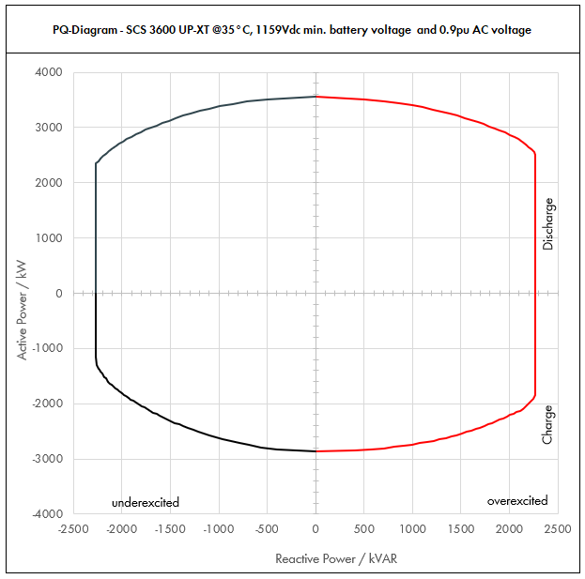

 | Apparent Power [kVA] |  |  |  | Active Power [kW] |  |  |  | Reactive Power [kVAR]
PF | Dis-OE | Dis-UE | Cha-OE | Cha-UE | Dis-OE | Dis-UE | Cha-OE | Cha-UE | Dis-OE | Dis-UE | Cha-OE | Cha-UE
0 | 2268.0024791 | 2268.0019837 | 2268.0021521 | 2268.0017018 | 0 | 0 | 0 | 0 | 2268.0024791 | -2268.0019837 | 2268.0021521 | -2268.0017018
0.01 | 2268.0024791 | 2268.0019837 | 2268.0021521 | 2268.0017018 | 0.022680024791 | 0.022680019837 | -0.022680021521 | -0.022680017018 | 2268.002479 | -2268.0019836 | 2268.002152 | -2268.0017017
0.05 | 2280.395393 | 2277.9187006 | 2278.7603362 | 2276.5088199 | 114.01976965 | 113.89593503 | -113.93801681 | -113.82544099 | 2268.0024791 | -2268.0019837 | 2268.0021521 | -2268.0019837
0.1 | 2292.790786 | 2287.8374012 | 2289.5206724 | 2285.0176398 | 229.2790786 | 228.78374012 | -228.95206724 | -228.50176398 | 2268.0024791 | -2268.0019837 | 2268.0021521 | -2268.0019837
0.15 | 2329.6070966 | 2317.9706882 | 2320.6828742 | 2309.1908667 | 349.4410645 | 347.69560323 | -348.10243113 | -346.37863 | 2268.0024791 | -2268.0019837 | 2268.0021521 | -2268.0019837
0.2 | 2366.4234073 | 2348.1039751 | 2351.845076 | 2333.3640935 | 473.28468145 | 469.62079502 | -470.3690152 | -466.67281871 | 2268.0024791 | -2268.0019837 | 2268.0021521 | -2268.0019837
0.25 | 2426.44257 | 2398.5313188 | 2401.3577037 | 2371.6299405 | 606.61064249 | 599.63282969 | -600.33942592 | -592.90748513 | 2268.0024791 | -2268.0019837 | 2268.0021521 | -2268.0019837
0.3 | 2486.4617327 | 2448.9586624 | 2450.8703314 | 2409.8957875 | 745.9385198 | 734.68759873 | -735.26109942 | -722.96873625 | 2268.0024791 | -2268.0019837 | 2268.0021521 | -2268.0019837
0.35 | 2568.3510897 | 2519.2032532 | 2515.6858661 | 2460.6934409 | 898.9228814 | 881.7211386 | -880.49005312 | -861.2427043 | 2268.0024791 | -2268.0019837 | 2268.0021521 | -2268.0019837
0.4 | 2650.2404468 | 2589.4478439 | 2580.5014007 | 2511.4910942 | 1060.0961787 | 1035.7791375 | -1032.2005603 | -1004.5964377 | 2268.0024791 | -2268.0019837 | 2268.0021521 | -2268.0019837
0.45 | 2747.9411967 | 2678.8615727 | 2657.8022222 | 2560.4112489 | 1236.5735385 | 1205.4877077 | -1196.011 | -1152.185062 | 2268.0024791 | -2268.0019837 | 2268.0021521 | -2268.0019837
0.5 | 2845.6419467 | 2768.2753016 | 2735.1030436 | 2609.3314037 | 1422.8209733 | 1384.1376508 | -1367.5515218 | -1304.6657018 | 2268.0024791 | -2268.0019837 | 2268.0021521 | -2259.7472825
0.51 | 2868.3004032 | 2789.6763244 | 2752.2885244 | 2615.8201064 | 1462.8332056 | 1422.7349254 | -1403.6671474 | -1334.0682543 | 2268.0024791 | -2268.0019837 | 2268.0021521 | -2250.061493
0.52 | 2890.9588598 | 2811.0773472 | 2769.4740051 | 2622.3088092 | 1503.2986071 | 1461.7602205 | -1440.1264827 | -1363.6005808 | 2268.0024791 | -2268.0019837 | 2268.0021521 | -2239.8877085
0.53 | 2913.6173163 | 2832.47837 | 2786.6594859 | 2628.7975119 | 1544.2171777 | 1501.2135361 | -1476.9295275 | -1393.2626813 | 2268.0024791 | -2268.0019837 | 2268.0021521 | -2229.2140901
0.54 | 2936.2757729 | 2853.8793927 | 2803.8449666 | 2635.2862147 | 1585.5889174 | 1541.0948721 | -1514.076282 | -1423.0545559 | 2268.0024791 | -2268.0019837 | 2268.0021521 | -2218.0282154
0.55 | 2958.9342294 | 2875.2804155 | 2821.0304474 | 2641.7749174 | 1627.4138262 | 1581.4042285 | -1551.5667461 | -1452.9762046 | 2268.0024791 | -2268.0019837 | 2268.0021521 | -2206.317036
0.56 | 2981.592686 | 2896.6814383 | 2838.2159282 | 2648.2636202 | 1669.6919042 | 1622.1416054 | -1589.4009198 | -1483.0276273 | 2268.0024791 | -2268.0019837 | 2268.0021521 | -2194.066831
0.57 | 3004.2511425 | 2918.0824611 | 2855.4014089 | 2654.752323 | 1712.4231513 | 1663.3070028 | -1627.5788031 | -1513.2088241 | 2268.0024791 | -2268.0019837 | 2268.0021521 | -2181.2631549
0.58 | 3026.9095991 | 2939.4834838 | 2872.5868897 | 2661.2410257 | 1755.6075675 | 1704.9004206 | -1666.100396 | -1543.5197949 | 2268.0024791 | -2268.0019837 | 2268.0021521 | -2167.8907813
0.59 | 3049.5680557 | 2960.8845066 | 2889.7723704 | 2667.7297285 | 1799.2451528 | 1746.9218589 | -1704.9656986 | -1573.9605398 | 2268.0024791 | -2268.0019837 | 2268.0021521 | -2153.9336395
0.6 | 3072.2265122 | 2982.2855294 | 2906.9578512 | 2674.2184312 | 1843.3359073 | 1789.3713176 | -1744.1747107 | -1604.5310587 | 2268.0024791 | -2268.0019837 | 2268.0021521 | -2139.374745
0.61 | 3097.4583194 | 3007.8222864 | 2915.7024967 | 2677.4466305 | 1889.4495748 | 1834.7715947 | -1778.578523 | -1633.2424446 | 2268.0024791 | -2268.0019837 | 2268.0021521 | -2121.6124944
0.62 | 3122.6901266 | 3033.3590434 | 2924.4471421 | 2680.6748298 | 1936.0678785 | 1880.6826069 | -1813.1572281 | -1662.0183944 | 2268.0024791 | -2268.0019837 | 2268.0021521 | -2103.262323
0.63 | 3147.9219338 | 3058.8958005 | 2933.1917876 | 2683.903029 | 1983.1908183 | 1927.1043543 | -1847.9108262 | -1690.8589083 | 2268.0024791 | -2268.0019837 | 2268.0021521 | -2084.3060287
0.64 | 3173.1537409 | 3084.4325575 | 2941.9364331 | 2687.1312283 | 2030.8183942 | 1974.0368368 | -1882.8393172 | -1719.7639861 | 2268.0024791 | -2268.0019837 | 2260.5101376 | -2064.7242116
0.65 | 3198.3855481 | 3109.9693145 | 2950.6810786 | 2690.3594275 | 2078.9506063 | 2021.4800544 | -1917.9427011 | -1748.7336279 | 2268.0024791 | -2268.0019837 | 2242.3234876 | -2044.4961599
0.66 | 3223.6173553 | 3135.5060715 | 2959.4257241 | 2693.5876268 | 2127.5874545 | 2069.4340072 | -1953.2209779 | -1777.7678337 | 2268.0024791 | -2268.0019837 | 2223.3147388 | -2023.5997215
0.67 | 3248.8491625 | 3161.0428286 | 2968.1703696 | 2696.8158261 | 2176.7289389 | 2117.8986951 | -1988.6741476 | -1806.8666035 | 2268.0024791 | -2268.0019837 | 2203.4542149 | -2002.0111581
0.68 | 3274.0809697 | 3186.5795856 | 2976.915015 | 2700.0440253 | 2226.3750594 | 2166.8741182 | -2024.3022102 | -1836.0299372 | 2268.0024791 | -2268.0019837 | 2182.710143 | -1979.7049801
0.69 | 3299.3127769 | 3212.1163426 | 2985.6596605 | 2703.2722246 | 2276.525816 | 2216.3602764 | -2060.1051658 | -1865.257835 | 2268.0024791 | -2268.0019837 | 2161.0484295 | -1956.6537582
0.7 | 3324.544584 | 3237.6530996 | 2994.404306 | 2706.5004238 | 2327.1812088 | 2266.3571697 | -2096.0830142 | -1894.5502967 | 2268.0024791 | -2268.0019837 | 2138.4324037 | -1932.8279069
0.71 | 3341.386707 | 3252.4317341 | 2992.0191754 | 2709.4395313 | 2372.384562 | 2309.2265312 | -2124.3336145 | -1923.7020672 | 2268.0024791 | -2268.0019837 | 2106.9849169 | -1907.991858
0.72 | 3358.2288299 | 3267.2103686 | 2989.6340447 | 2712.3786387 | 2417.9247575 | 2352.3914654 | -2152.5365122 | -1952.9126199 | 2268.0024791 | -2267.3592539 | 2074.7284847 | -1882.3204241
0.73 | 3375.0709528 | 3281.9890031 | 2987.2489141 | 2715.3177461 | 2463.8017956 | 2395.8519722 | -2180.6917073 | -1982.1819547 | 2268.0024791 | -2243.066014 | 2041.6267417 | -1855.7761613
0.74 | 3391.9130758 | 3296.7676375 | 2984.8637835 | 2718.2568535 | 2510.0156761 | 2439.6080518 | -2208.7991998 | -2011.5100716 | 2268.0024791 | -2217.4285579 | 2007.6398833 | -1828.3182309
0.75 | 3408.7551987 | 3311.546272 | 2982.4786529 | 2721.195961 | 2556.566399 | 2483.659704 | -2236.8589896 | -2040.8969707 | 2254.679634 | -2190.3819727 | 1972.7242015 | -1799.9019453
0.76 | 3425.5973216 | 3326.3249065 | 2980.0935222 | 2724.1350684 | 2603.4539644 | 2528.0069289 | -2264.8710769 | -2070.342652 | 2226.374736 | -2161.8553029 | 1936.8315379 | -1770.4782332
0.77 | 3442.4394445 | 3341.1035409 | 2977.7083916 | 2727.0741758 | 2650.6783723 | 2572.6497265 | -2292.8354615 | -2099.8471154 | 2196.4274393 | -2131.7706856 | 1899.9086325 | -1739.9930036
0.78 | 3459.2815675 | 3355.8821754 | 2975.323261 | 2730.0132832 | 2698.2396226 | 2617.5880968 | -2320.7521436 | -2129.4103609 | 2164.7475377 | -2100.0423164 | 1861.8963439 | -1708.3863853
0.79 | 3476.1236904 | 3370.6608099 | 2972.9381304 | 2732.9523906 | 2746.1377154 | 2662.8220398 | -2348.621123 | -2159.0323886 | 2131.235219 | -2066.5752054 | 1822.7287093 | -1675.5918102
0.8 | 3492.9658133 | 3385.4394444 | 2970.5529997 | 2735.8914981 | 2794.3726507 | 2708.3515555 | -2376.4423998 | -2188.7131985 | 2095.779488 | -2031.2636666 | 1782.3317998 | -1641.5348988
0.81 | 3496.500792 | 3394.3461524 | 2967.6461681 | 2740.5802045 | 2832.1656415 | 2749.4203834 | -2403.7933961 | -2219.8699657 | 2050.4525275 | -1990.5459948 | 1740.3163757 | -1607.1581108
0.82 | 3500.0357707 | 3403.2528604 | 2964.7393364 | 2745.268911 | 2870.0293319 | 2790.6673455 | -2431.0862559 | -2251.120507 | 2003.2927968 | -1947.8977895 | 1696.908645 | -1571.2917796
0.83 | 3503.5707493 | 3412.1595684 | 2961.8325048 | 2749.9576175 | 2907.963722 | 2832.0924418 | -2458.320979 | -2282.4648225 | 1954.1635007 | -1903.1776905 | 1652.0017405 | -1533.825685
0.84 | 3507.105728 | 3421.0662765 | 2958.9256731 | 2754.6463239 | 2945.9688115 | 2873.6956722 | -2485.4975654 | -2313.9029121 | 1902.9078667 | -1856.2240305 | 1605.4728249 | -1494.6336284
0.85 | 3510.6407067 | 3429.9729845 | 2956.0188415 | 2759.3350304 | 2984.0446007 | 2915.4770368 | -2512.6160153 | -2345.4347758 | 1849.3447468 | -1806.8503873 | 1557.17955 | -1453.5699234
0.86 | 3514.1756854 | 3438.8796925 | 2953.1120099 | 2764.0237368 | 3022.1910894 | 2957.4365355 | -2539.6763285 | -2377.0604137 | 1793.2628828 | -1754.8397869 | 1506.9554371 | -1410.4648197
0.87 | 3517.710664 | 3447.7864005 | 2950.2051782 | 2768.7124433 | 3060.4082777 | 2999.5741685 | -2566.678505 | -2408.7798257 | 1734.4132984 | -1699.9370199 | 1454.6037417 | -1365.1184363
0.88 | 3521.2456427 | 3456.6931085 | 2947.2983466 | 2773.4011498 | 3098.6961656 | 3041.8899355 | -2593.622545 | -2440.5930118 | 1672.4990134 | -1641.8382584 | 1399.889152 | -1317.2925599
0.89 | 3524.7806214 | 3465.5998166 | 2944.3915149 | 2778.0898562 | 3137.054753 | 3084.3838367 | -2620.5084483 | -2472.499972 | 1607.1608213 | -1580.1767104 | 1342.5262998 | -1266.6993083
0.9 | 3528.3156001 | 3474.5065246 | 2941.4846833 | 2782.7785627 | 3175.4840401 | 3127.0558721 | -2647.3362149 | -2504.5007064 | 1537.9571142 | -1514.5022819 | 1282.1634478 | -1212.9850537
0.91 | 3531.6469887 | 3483.9868356 | 2935.3257016 | 2789.1351462 | 3213.7987597 | 3170.4280204 | -2671.1463885 | -2538.112983 | 1464.2499735 | -1444.4896808 | 1217.0102489 | -1156.3984387
0.92 | 3534.9783773 | 3493.4671465 | 2929.16672 | 2795.4917296 | 3252.1801071 | 3213.9897748 | -2694.8333824 | -2571.8523912 | 1385.4229242 | -1369.1539107 | 1147.9942137 | -1095.6045308
0.93 | 3538.3097659 | 3502.9474575 | 2923.0077383 | 2801.8483131 | 3290.6280823 | 3257.7411355 | -2718.3971966 | -2605.7189312 | 1300.5394356 | -1287.5416825 | 1074.3793183 | -1029.8460182
0.94 | 3541.6411545 | 3512.4277685 | 2916.8487567 | 2808.2048965 | 3329.1426853 | 3301.6821023 | -2741.8378313 | -2639.7126028 | 1208.3174453 | -1198.3505846 | 995.15424749 | -958.08773912
0.95 | 3544.9725431 | 3521.9080794 | 2910.689775 | 2814.56148 | 3367.723916 | 3345.8126754 | -2765.1552863 | -2673.833406 | 1106.9173218 | -1099.7154453 | 908.86259094 | -878.84654045
0.96 | 3546.6180345 | 3528.1664635 | 2902.6034542 | 2825.7008182 | 3404.7533131 | 3387.039805 | -2786.4993161 | -2712.6727855 | 993.05304966 | -987.88660979 | 812.72896718 | -791.1962291
0.97 | 3548.2635259 | 3534.4248477 | 2894.5171334 | 2836.8401564 | 3441.8156201 | 3428.3921022 | -2807.6816194 | -2751.7349517 | 862.60030507 | -859.23605436 | 703.67134349 | -689.64978687
0.98 | 3549.9090173 | 3540.6832318 | 2886.4308127 | 2847.9794947 | 3478.9108369 | 3469.8695671 | -2828.7021964 | -2791.0199048 | 706.42297501 | -704.58706688 | 574.39247933 | -566.74076367
0.99 | 3551.5545086 | 3546.9416159 | 2878.3444919 | 2859.1188329 | 3516.0389635 | 3511.4721997 | -2849.561047 | -2830.5276446 | 501.00841771 | -500.35768911 | 406.04045805 | -403.3283451
1 | 3553.2 | 3553.2 | 2870.2581711 | 2870.2581711 | 3553.2 | 3553.2 | -2870.2581711 | -2870.2581711 | 0 | 0 | 0 | 0

Dis-OE: Discharge Overexcited |  |  |  | Overexcited (OE): +Q, +PF, Leading PF, Injecting kVAR
Dis-UE: Discharge Underexcited |  |  |  | Underexcited (UE): -Q, -PF, Lagging PF, Absorbing kVAR
Cha-OE: Charge Overexcited
Cha-UE: Charge Underexcited

* Max. battery voltage is used to determine the charging power (UE and OE)
** Nominal battery voltage is used to determine the discharging power (UE and OE) and the max. power factor for charging OE
*** Min. battery voltage is used to determine the max. power factor for discharging OE

CATL_35C_1.0pu
 |  |  | Sunny Central Storage UP Inverter PQ Capability

SCS UP (XT) device |  |  |  | 3600 UP-XT |  |  |  | All values on inverter terminal level!
Design temperature |  |  |  | 35 |  | °C |  | Power Factor adjustable: 0.0 UE to 0.0 OE
Installation Altitude |  |  |  | 0 … 1000 |  | m
Max. Battery Voltage (min. 1200V)* |  |  |  | 1490 |  | VDC
Nom. Battery Voltage** |  |  |  | 1291.4 |  | VDC
Min. Battery Voltage*** |  |  |  | 1159 |  | VDC |  | Please select:
AC Voltage |  |  |  | 1 |  | pu |  | Project plant specific |  |  | VArRtg: | 2520 | kVAr
PF Dis-OE (@min battery voltage) |  |  |  | 0
PF Cha-OE (@nom battery voltage) |  |  |  | 0

 | PQ-Diagram - SCS 3600 UP-XT @35°C, 1159Vdc min. battery voltage and 1pu AC voltage
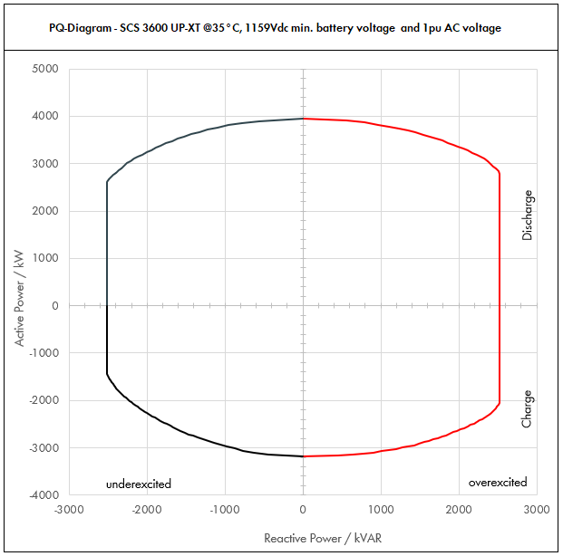

 | Apparent Power [kVA] |  |  |  | Active Power [kW] |  |  |  | Reactive Power [kVAR]
PF | Dis-OE | Dis-UE | Cha-OE | Cha-UE | Dis-OE | Dis-UE | Cha-OE | Cha-UE | Dis-OE | Dis-UE | Cha-OE | Cha-UE
0 | 2520.0027545 | 2520.0022042 | 2520.0023912 | 2520.0018908 | 0 | 0 | 0 | 0 | 2520.0027545 | -2520.0022042 | 2520.0023912 | -2520.0018908
0.01 | 2520.0027545 | 2520.0022042 | 2520.0023912 | 2520.0018908 | 0.025200027545 | 0.025200022042 | -0.025200023912 | -0.025200018908 | 2520.0027544 | -2520.002204 | 2520.0023911 | -2520.0018907
0.05 | 2533.7726589 | 2531.0207785 | 2531.9559291 | 2529.4542443 | 126.68863294 | 126.55103892 | -126.59779645 | -126.47271222 | 2520.0027545 | -2520.0022042 | 2520.0023912 | -2520.0022042
0.1 | 2547.5453178 | 2542.0415569 | 2543.9118582 | 2538.9084887 | 254.75453178 | 254.20415569 | -254.39118582 | -253.89084887 | 2520.0027545 | -2520.0022042 | 2520.0023912 | -2520.0022042
0.15 | 2588.4523296 | 2575.5229869 | 2578.5365269 | 2565.7676296 | 388.26784944 | 386.32844803 | -386.78047903 | -384.86514444 | 2520.0027545 | -2520.0022042 | 2520.0023912 | -2520.0022042
0.2 | 2629.3593414 | 2609.0044168 | 2613.1611955 | 2592.6267706 | 525.87186828 | 521.80088335 | -522.63223911 | -518.52535412 | 2520.0027545 | -2520.0022042 | 2520.0023912 | -2520.0022042
0.25 | 2696.0473 | 2665.0347986 | 2668.1752263 | 2635.1443783 | 674.01182499 | 666.25869966 | -667.04380658 | -658.78609459 | 2520.0027545 | -2520.0022042 | 2520.0023912 | -2520.0022042
0.3 | 2762.7352585 | 2721.0651805 | 2723.1892571 | 2677.6619861 | 828.82057755 | 816.31955414 | -816.95677713 | -803.29859583 | 2520.0027545 | -2520.0022042 | 2520.0023912 | -2520.0022042
0.35 | 2853.723433 | 2799.1147257 | 2795.2065178 | 2734.1038232 | 998.80320156 | 979.690154 | -978.32228125 | -956.93633811 | 2520.0027545 | -2520.0022042 | 2520.0023912 | -2520.0022042
0.4 | 2944.7116075 | 2877.164271 | 2867.2237786 | 2790.5456602 | 1177.884643 | 1150.8657084 | -1146.8895114 | -1116.2182641 | 2520.0027545 | -2520.0022042 | 2520.0023912 | -2520.0022042
0.45 | 3053.2679964 | 2976.5128586 | 2953.1135802 | 2844.9013877 | 1373.9705984 | 1339.4307864 | -1328.9011111 | -1280.2056245 | 2520.0027545 | -2520.0022042 | 2520.0023912 | -2520.0022042
0.5 | 3161.8243852 | 3075.8614463 | 3039.0033818 | 2899.2571152 | 1580.9121926 | 1537.9307231 | -1519.5016909 | -1449.6285576 | 2520.0027545 | -2520.0022042 | 2520.0023912 | -2510.8303138
0.51 | 3187.000448 | 3099.6403604 | 3058.0983604 | 2906.4667849 | 1625.3702285 | 1580.8165838 | -1559.6301638 | -1482.2980603 | 2520.0027545 | -2520.0022042 | 2520.0023912 | -2500.0683255
0.52 | 3212.1765109 | 3123.4192746 | 3077.193339 | 2913.6764546 | 1670.3317857 | 1624.1780228 | -1600.1405363 | -1515.1117564 | 2520.0027545 | -2520.0022042 | 2520.0023912 | -2488.7641206
0.53 | 3237.3525737 | 3147.1981888 | 3096.2883177 | 2920.8861244 | 1715.7968641 | 1668.0150401 | -1641.0328084 | -1548.0696459 | 2520.0027545 | -2520.0022042 | 2520.0023912 | -2476.9045446
0.54 | 3262.5286365 | 3170.977103 | 3115.3832963 | 2928.0957941 | 1761.7654637 | 1712.3276356 | -1682.30698 | -1581.1717288 | 2520.0027545 | -2520.0022042 | 2520.0023912 | -2464.4757949
0.55 | 3287.7046994 | 3194.7560172 | 3134.4782749 | 2935.3054638 | 1808.2375847 | 1757.1158095 | -1723.9630512 | -1614.4180051 | 2520.0027545 | -2520.0022042 | 2520.0023912 | -2451.4633733
0.56 | 3312.8807622 | 3218.5349314 | 3153.5732535 | 2942.5151336 | 1855.2132268 | 1802.3795616 | -1766.001022 | -1647.8084748 | 2520.0027545 | -2520.0022042 | 2520.0023912 | -2437.8520344
0.57 | 3338.0568251 | 3242.3138456 | 3172.6682321 | 2949.7248033 | 1902.6923903 | 1848.118892 | -1808.4208923 | -1681.3431379 | 2520.0027545 | -2520.0022042 | 2520.0023912 | -2423.6257277
0.58 | 3363.2328879 | 3266.0927598 | 3191.7632107 | 2956.934473 | 1950.675075 | 1894.3338007 | -1851.2226622 | -1715.0219944 | 2520.0027545 | -2520.0022042 | 2520.0023912 | -2408.7675348
0.59 | 3388.4089507 | 3289.871674 | 3210.8581894 | 2964.1441428 | 1999.1612809 | 1941.0242877 | -1894.4063317 | -1748.8450442 | 2520.0027545 | -2520.0022042 | 2520.0023912 | -2393.2595994
0.6 | 3413.5850136 | 3313.6505882 | 3229.953168 | 2971.3538125 | 2048.1510081 | 1988.1903529 | -1937.9719008 | -1782.8122875 | 2520.0027545 | -2520.0022042 | 2520.0023912 | -2377.08305
0.61 | 3441.6203549 | 3342.0247627 | 3239.6694407 | 2974.9407006 | 2099.3884165 | 2038.6351052 | -1976.1983589 | -1814.7138273 | 2520.0027545 | -2520.0022042 | 2520.0023912 | -2357.347216
0.62 | 3469.6556962 | 3370.3989371 | 3249.3857135 | 2978.5275886 | 2151.1865316 | 2089.647341 | -2014.6191424 | -1846.6871049 | 2520.0027545 | -2520.0022042 | 2520.0023912 | -2336.9581367
0.63 | 3497.6910375 | 3398.7731116 | 3259.1019863 | 2982.1144767 | 2203.5453536 | 2141.2270603 | -2053.2342513 | -1878.7321203 | 2520.0027545 | -2520.0022042 | 2520.0023912 | -2315.8955875
0.64 | 3525.7263788 | 3427.1472861 | 3268.818259 | 2985.7013648 | 2256.4648825 | 2193.3742631 | -2092.0436858 | -1910.8488734 | 2520.0027545 | -2520.0022042 | 2511.6779306 | -2294.1380129
0.65 | 3553.7617201 | 3455.5214606 | 3278.5345318 | 2989.2882528 | 2309.9451181 | 2246.0889494 | -2131.0474456 | -1943.0373643 | 2520.0027545 | -2520.0022042 | 2491.4705417 | -2271.6623999
0.66 | 3581.7970615 | 3483.895635 | 3288.2508045 | 2992.8751409 | 2363.9860606 | 2299.3711191 | -2170.245531 | -1975.297593 | 2520.0027545 | -2520.0022042 | 2470.3497098 | -2248.444135
0.67 | 3609.8324028 | 3512.2698095 | 3297.9670773 | 2996.462029 | 2418.5877099 | 2353.2207724 | -2209.6379418 | -2007.6295594 | 2520.0027545 | -2520.0022042 | 2448.2824611 | -2224.4568423
0.68 | 3637.8677441 | 3540.643984 | 3307.68335 | 3000.048917 | 2473.750066 | 2407.6379091 | -2249.224678 | -2040.0332636 | 2520.0027545 | -2520.0022042 | 2425.2334922 | -2199.6722001
0.69 | 3665.9030854 | 3569.0181585 | 3317.3996228 | 3003.6358051 | 2529.4731289 | 2462.6225293 | -2289.0057397 | -2072.5087055 | 2520.0027545 | -2520.0022042 | 2401.1649216 | -2174.0597313
0.7 | 3693.9384267 | 3597.3923329 | 3327.1158956 | 3007.2226932 | 2585.7568987 | 2518.1746331 | -2328.9811269 | -2105.0558852 | 2520.0027545 | -2520.0022042 | 2376.0360042 | -2147.5865632
0.71 | 3712.6518966 | 3613.8130379 | 3324.4657504 | 3010.4883681 | 2635.9828466 | 2565.8072569 | -2360.3706828 | -2137.4467413 | 2520.0027545 | -2520.0022042 | 2341.0943521 | -2119.9909533
0.72 | 3731.3653666 | 3630.2337429 | 3321.8156053 | 3013.754043 | 2686.5830639 | 2613.7682949 | -2391.7072358 | -2169.902911 | 2520.0027545 | -2519.2880599 | 2305.2538718 | -2091.4671378
0.73 | 3750.0788365 | 3646.6544478 | 3319.1654601 | 3017.0197179 | 2737.5575506 | 2662.0577469 | -2422.9907859 | -2202.4243941 | 2520.0027545 | -2492.2955712 | 2268.4741575 | -2061.9735126
0.74 | 3768.7923064 | 3663.0751528 | 3316.515315 | 3020.2853928 | 2788.9063067 | 2710.6756131 | -2454.2213331 | -2235.0111907 | 2520.0027545 | -2463.8095088 | 2230.7109814 | -2031.464701
0.75 | 3787.5057763 | 3679.4958578 | 3313.8651699 | 3023.5510677 | 2840.6293322 | 2759.6218933 | -2485.3988774 | -2267.6633008 | 2505.1995933 | -2433.7577474 | 2191.9157795 | -1999.8910504
0.76 | 3806.2192462 | 3695.9165627 | 3311.2150247 | 3026.8167426 | 2892.7266271 | 2808.8965877 | -2516.5234188 | -2300.3807244 | 2473.7497066 | -2402.0614477 | 2152.0350421 | -1967.1980369
0.77 | 3824.9327162 | 3712.3372677 | 3308.5648796 | 3030.0824176 | 2945.1981914 | 2858.4996961 | -2547.5949573 | -2333.1634615 | 2440.4749325 | -2368.6340951 | 2111.0095916 | -1933.3255595
0.78 | 3843.6461861 | 3728.7579727 | 3305.9147344 | 3033.3480925 | 2998.0440251 | 2908.4312187 | -2578.6134929 | -2366.0115121 | 2405.2750419 | -2333.3803515 | 2068.7737155 | -1898.2070948
0.79 | 3862.359656 | 3745.1786776 | 3303.2645893 | 3036.6137674 | 3051.2641282 | 2958.6911553 | -2609.5790255 | -2398.9248762 | 2368.0391323 | -2296.1946727 | 2025.2541214 | -1861.768678
0.8 | 3881.0731259 | 3761.5993826 | 3300.6144441 | 3039.8794423 | 3104.8585007 | 3009.2795061 | -2640.4915553 | -2431.9035538 | 2328.6438755 | -2256.9596296 | 1980.3686665 | -1823.9276654
0.81 | 3885.00088 | 3771.4957249 | 3297.3846312 | 3045.0891161 | 3146.8507128 | 3054.9115371 | -2670.8815513 | -2466.5221841 | 2278.2805861 | -2211.717772 | 1933.6848619 | -1785.7312342
0.82 | 3888.9286341 | 3781.3920671 | 3294.1548183 | 3050.29879 | 3188.9214799 | 3100.741495 | -2701.206951 | -2501.2450078 | 2225.8808853 | -2164.3308772 | 1885.45405 | -1745.8797551
0.83 | 3892.8563882 | 3791.2884094 | 3290.9250053 | 3055.5084638 | 3231.0708022 | 3146.7693798 | -2731.4677544 | -2536.072025 | 2171.2927785 | -2114.6418783 | 1835.5574895 | -1704.2507611
0.84 | 3896.7841422 | 3801.1847516 | 3287.6951924 | 3060.7181377 | 3273.2986795 | 3192.9951914 | -2761.6639616 | -2571.0032357 | 2114.3420741 | -2062.471145 | 1783.8586943 | -1660.7040316
0.85 | 3900.7118963 | 3811.0810939 | 3284.4653794 | 3065.9278115 | 3315.6051119 | 3239.4189298 | -2791.7955725 | -2606.0386398 | 2054.8274965 | -2007.6115414 | 1730.1995001 | -1615.0776927
0.86 | 3904.6396504 | 3820.9774361 | 3281.2355665 | 3071.1374854 | 3357.9900994 | 3286.0405951 | -2821.8625872 | -2641.1782374 | 1992.5143142 | -1949.8219854 | 1674.3949301 | -1567.183133
0.87 | 3908.5674045 | 3830.8737784 | 3278.0057536 | 3076.3471592 | 3400.4536419 | 3332.8601872 | -2851.8650056 | -2676.4220285 | 1927.1258871 | -1888.818911 | 1616.2263796 | -1516.7982626
0.88 | 3912.4951586 | 3840.7701206 | 3274.7759406 | 3081.5568331 | 3442.9957395 | 3379.8777061 | -2881.8028277 | -2711.7700131 | 1858.3322371 | -1824.2647316 | 1555.4323911 | -1463.6583999
0.89 | 3916.4229127 | 3850.6664629 | 3271.5461277 | 3086.7665069 | 3485.6163923 | 3427.0931519 | -2911.6760536 | -2747.2221912 | 1785.7342458 | -1755.7519005 | 1491.6958887 | -1407.4436758
0.9 | 3920.3506667 | 3860.5628051 | 3268.3163147 | 3091.9761808 | 3528.3156001 | 3474.5065246 | -2941.4846833 | -2782.7785627 | 1708.841238 | -1682.7803133 | 1424.6260532 | -1347.7611708
0.91 | 3924.0522096 | 3871.096484 | 3261.4730018 | 3099.0390513 | 3570.8875108 | 3522.6978004 | -2967.9404316 | -2820.1255367 | 1626.944415 | -1604.9885343 | 1352.2336099 | -1284.8871541
0.92 | 3927.7537526 | 3881.6301628 | 3254.6296888 | 3106.1019218 | 3613.5334523 | 3571.0997498 | -2994.2593137 | -2857.6137681 | 1539.3588046 | -1521.2821231 | 1275.5491263 | -1217.3383676
0.93 | 3931.4552955 | 3892.1638417 | 3247.7863759 | 3113.1647923 | 3656.2534248 | 3619.7123727 | -3020.4413296 | -2895.2432568 | 1445.0438173 | -1430.6018695 | 1193.7547981 | -1144.2733536
0.94 | 3935.1568384 | 3902.6975205 | 3240.9430629 | 3120.2276628 | 3699.0474281 | 3668.5356693 | -3046.4864792 | -2933.0140031 | 1342.5749392 | -1331.5006496 | 1105.7269417 | -1064.5419324
0.95 | 3938.8583813 | 3913.2311994 | 3234.09975 | 3127.2905333 | 3741.9154622 | 3717.5696394 | -3072.3947625 | -2970.9260067 | 1229.9081354 | -1221.9060504 | 1009.8473233 | -976.49615606
0.96 | 3940.686705 | 3920.1849595 | 3225.1149491 | 3139.6675758 | 3783.0592368 | 3763.3775611 | -3096.1103512 | -3014.0808728 | 1103.3922774 | -1097.6517887 | 903.03218576 | -879.10692123
0.97 | 3942.5150288 | 3927.1387196 | 3216.1301483 | 3152.0446183 | 3824.2395779 | 3809.324558 | -3119.6462438 | -3057.4832797 | 958.44478341 | -954.70672707 | 781.85704833 | -766.27754096
0.98 | 3944.3433525 | 3934.0924797 | 3207.1453474 | 3164.4216607 | 3865.4564855 | 3855.4106301 | -3143.0024404 | -3101.1332275 | 784.91441668 | -782.87451875 | 638.21386593 | -629.71195963
0.99 | 3946.1716763 | 3941.0462399 | 3198.1605465 | 3176.7987032 | 3906.7099595 | 3901.6357775 | -3166.1789411 | -3145.0307162 | 556.67601967 | -555.9529879 | 451.1560645 | -448.14260567
1 | 3948 | 3948 | 3189.1757457 | 3189.1757457 | 3948 | 3948 | -3189.1757457 | -3189.1757457 | 0 | 0 | 0 | 0

Dis-OE: Discharge Overexcited |  |  |  | Overexcited (OE): +Q, +PF, Leading PF, Injecting kVAR
Dis-UE: Discharge Underexcited |  |  |  | Underexcited (UE): -Q, -PF, Lagging PF, Absorbing kVAR
Cha-OE: Charge Overexcited
Cha-UE: Charge Underexcited

* Max. battery voltage is used to determine the charging power (UE and OE)
** Nominal battery voltage is used to determine the discharging power (UE and OE) and the max. power factor for charging OE
*** Min. battery voltage is used to determine the max. power factor for discharging OE

CATL_35C_1.1pu
 |  |  | Sunny Central Storage UP Inverter PQ Capability

SCS UP (XT) device |  |  |  | 3600 UP-XT |  |  |  | All values on inverter terminal level!
Design temperature |  |  |  | 35 |  | °C |  | Power Factor adjustable: 0.0 UE to 0.0 OE
Installation Altitude |  |  |  | 0 … 1000 |  | m
Max. Battery Voltage (min. 1200V)* |  |  |  | 1490 |  | VDC
Nom. Battery Voltage** |  |  |  | 1291.4 |  | VDC
Min. Battery Voltage*** |  |  |  | 1159 |  | VDC |  | Please select:
AC Voltage |  |  |  | 1.1 |  | pu |  | Project plant specific |  |  | VArRtg: | 2520 | kVAr
PF Dis-OE (@min battery voltage) |  |  |  | 0
PF Cha-OE (@nom battery voltage) |  |  |  | 0

 | PQ-Diagram - SCS 3600 UP-XT @35°C, 1159Vdc min. battery voltage and 1.1pu AC voltage
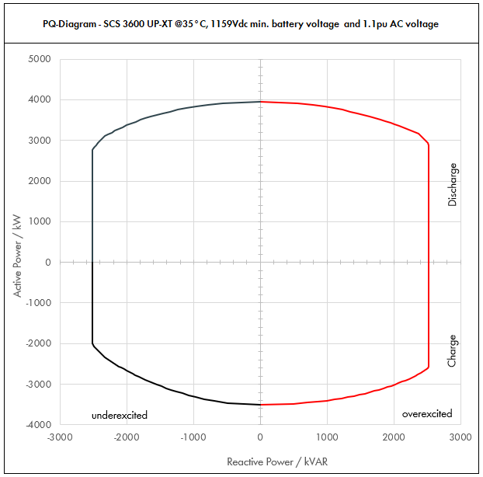

 | Apparent Power [kVA] |  |  |  | Active Power [kW] |  |  |  | Reactive Power [kVAR]
PF | Dis-OE | Dis-UE | Cha-OE | Cha-UE | Dis-OE | Dis-UE | Cha-OE | Cha-UE | Dis-OE | Dis-UE | Cha-OE | Cha-UE
0 | 2520.0029778 | 2520.0023283 | 2520.0029241 | 2520.0022301 | 0 | 0 | 0 | 0 | 2520.0029778 | -2520.0023283 | 2520.0029241 | -2520.0022301
0.01 | 2520.0029778 | 2520.0023283 | 2520.0029241 | 2520.0022301 | 0.025200029778 | 0.025200023283 | -0.025200029241 | -0.025200022301 | 2520.0029777 | -2520.0023282 | 2520.0029239 | -2520.00223
0.05 | 2534.8892089 | 2531.6416621 | 2534.6203489 | 2531.1504348 | 126.74446044 | 126.5820831 | -126.73101744 | -126.55752174 | 2520.0029778 | -2520.0023283 | 2520.0029241 | -2520.0023283
0.1 | 2549.7784177 | 2543.2833242 | 2549.2406977 | 2542.3008696 | 254.97784177 | 254.32833242 | -254.92406977 | -254.23008696 | 2520.0029778 | -2520.0023283 | 2520.0029241 | -2520.0023283
0.15 | 2594.2669468 | 2578.5729648 | 2591.7118075 | 2574.2976699 | 389.14004203 | 386.78594473 | -388.75677112 | -386.14465048 | 2520.0029778 | -2520.0023283 | 2520.0029241 | -2520.0023283
0.2 | 2638.7554759 | 2613.8626055 | 2634.1829172 | 2606.2944702 | 527.75109519 | 522.7725211 | -526.83658344 | -521.25889404 | 2520.0029778 | -2520.0023283 | 2520.0029241 | -2520.0023283
0.25 | 2709.7023266 | 2673.4337311 | 2700.8214395 | 2657.0648225 | 677.42558165 | 668.35843277 | -675.20535988 | -664.26620563 | 2520.0029778 | -2520.0023283 | 2520.0029241 | -2520.0023283
0.3 | 2780.6491773 | 2733.0048566 | 2767.4599618 | 2707.8351748 | 834.19475318 | 819.90145699 | -830.23798854 | -812.35055244 | 2520.0029778 | -2520.0023283 | 2520.0029241 | -2520.0023283
0.35 | 2875.112213 | 2815.3260723 | 2853.3734989 | 2773.9994522 | 1006.2892746 | 985.3641253 | -998.6807246 | -970.89980826 | 2520.0029778 | -2520.0023283 | 2520.0029241 | -2520.0023283
0.4 | 2969.5752488 | 2897.6472879 | 2939.2870359 | 2840.1637295 | 1187.8300995 | 1159.0589152 | -1175.7148144 | -1136.0654918 | 2520.0029778 | -2520.0023283 | 2520.0029241 | -2520.0023283
0.45 | 3082.6191629 | 3001.8228403 | 3040.9394983 | 2920.0912903 | 1387.1786233 | 1350.8202781 | -1368.4227743 | -1314.0410806 | 2520.0029778 | -2520.0023283 | 2520.0029241 | -2520.0023283
0.5 | 3195.663077 | 3105.9983927 | 3142.5919607 | 3000.018851 | 1597.8315385 | 1552.9991963 | -1571.2959804 | -1500.0094255 | 2520.0029778 | -2520.0023283 | 2520.0029241 | -2520.0023283
0.51 | 3221.5112462 | 3130.9812304 | 3164.9420229 | 3019.5430921 | 1642.9707356 | 1596.8004275 | -1614.1204317 | -1539.966977 | 2520.0029778 | -2520.0023283 | 2520.0029241 | -2520.0023283
0.52 | 3247.3594154 | 3155.9640682 | 3187.2920851 | 3039.0673332 | 1688.626896 | 1641.1013155 | -1657.3918843 | -1580.3150133 | 2520.0029778 | -2520.0023283 | 2520.0029241 | -2520.0023283
0.53 | 3273.2075847 | 3180.9469059 | 3209.6421473 | 3058.5915743 | 1734.8000199 | 1685.9018601 | -1701.1103381 | -1621.0535344 | 2520.0029778 | -2520.0023283 | 2520.0029241 | -2520.0023283
0.54 | 3299.0557539 | 3205.9297437 | 3231.9922095 | 3078.1158153 | 1781.4901071 | 1731.2020616 | -1745.2757931 | -1662.1825403 | 2520.0029778 | -2520.0023283 | 2520.0029241 | -2520.0023283
0.55 | 3324.9039231 | 3230.9125815 | 3254.3422716 | 3097.6400564 | 1828.6971577 | 1777.0019198 | -1789.8882494 | -1703.702031 | 2520.0029778 | -2520.0023283 | 2520.0029241 | -2520.0023283
0.56 | 3350.7520924 | 3255.8954192 | 3276.6923338 | 3117.1642975 | 1876.4211717 | 1823.3014348 | -1834.9477069 | -1745.6120066 | 2520.0029778 | -2520.0023283 | 2520.0029241 | -2520.0023283
0.57 | 3376.6002616 | 3280.878257 | 3299.042396 | 3136.6885386 | 1924.6621491 | 1870.1006065 | -1880.4541657 | -1787.912467 | 2520.0029778 | -2520.0023283 | 2520.0029241 | -2520.0023283
0.58 | 3402.4484309 | 3305.8610947 | 3321.3924582 | 3156.2127796 | 1973.4200899 | 1917.399435 | -1926.4076257 | -1830.6034122 | 2520.0029778 | -2520.0023283 | 2520.0029241 | -2520.0023283
0.59 | 3428.2966001 | 3330.8439325 | 3343.7425203 | 3175.7370207 | 2022.6949941 | 1965.1979202 | -1972.808087 | -1873.6848422 | 2520.0029778 | -2520.0023283 | 2520.0029241 | -2520.0023283
0.6 | 3454.1447693 | 3355.8267703 | 3366.0925825 | 3195.2612618 | 2072.4868616 | 2013.4960622 | -2019.6555495 | -1917.1567571 | 2520.0029778 | -2520.0023283 | 2520.0029241 | -2520.0023283
0.61 | 3482.8269537 | 3385.4274698 | 3390.4879729 | 3205.4108909 | 2124.5244418 | 2065.1107565 | -2068.1976635 | -1955.3006435 | 2520.0029778 | -2520.0023283 | 2520.0029241 | -2520.0023283
0.62 | 3511.5091381 | 3415.0281692 | 3414.8833633 | 3215.5605201 | 2177.1356656 | 2117.3174649 | -2117.2276852 | -1993.6475225 | 2520.0029778 | -2520.0023283 | 2520.0029241 | -2520.0023283
0.63 | 3540.1913225 | 3444.6288687 | 3439.2787537 | 3225.7101493 | 2230.3205332 | 2170.1161873 | -2166.7456148 | -2032.1973941 | 2520.0029778 | -2520.0023283 | 2520.0029241 | -2505.0708012
0.64 | 3568.8735069 | 3474.2295682 | 3463.6741441 | 3235.8597785 | 2284.0790444 | 2223.5069236 | -2216.7514522 | -2070.9502582 | 2520.0029778 | -2520.0023283 | 2520.0029241 | -2486.3534612
0.65 | 3597.5556913 | 3503.8302677 | 3488.0695344 | 3246.0094076 | 2338.4111993 | 2277.489674 | -2267.2451974 | -2109.906115 | 2520.0029778 | -2520.0023283 | 2520.0029241 | -2466.7535873
0.66 | 3626.2378756 | 3533.4309672 | 3512.4649248 | 3256.1590368 | 2393.3169979 | 2332.0644383 | -2318.2268504 | -2149.0649643 | 2520.0029778 | -2520.0023283 | 2520.0029241 | -2446.2402687
0.67 | 3654.92006 | 3563.0316666 | 3536.8603152 | 3266.308666 | 2448.7964402 | 2387.2312166 | -2369.6964112 | -2188.4268062 | 2520.0029778 | -2520.0023283 | 2520.0029241 | -2424.7804881
0.68 | 3683.6022444 | 3592.6323661 | 3561.2557056 | 3276.4582952 | 2504.8495262 | 2442.990009 | -2421.6538798 | -2227.9916407 | 2520.0029778 | -2520.0023283 | 2520.0029241 | -2402.3389038
0.69 | 3712.2844288 | 3622.2330656 | 3585.651096 | 3286.6079243 | 2561.4762559 | 2499.3408153 | -2474.0992562 | -2267.7594678 | 2520.0029778 | -2520.0023283 | 2520.0029241 | -2378.8776018
0.7 | 3740.9666132 | 3651.8337651 | 3610.0464864 | 3296.7575535 | 2618.6766292 | 2556.2836356 | -2527.0325405 | -2307.7302875 | 2520.0029778 | -2520.0023283 | 2520.0029241 | -2354.3558115
0.71 | 3761.6699519 | 3674.4868311 | 3614.4748866 | 3300.6396387 | 2670.7856658 | 2608.8856501 | -2566.2771695 | -2343.4541435 | 2520.0029778 | -2520.0023283 | 2520.0029241 | -2324.3159643
0.72 | 3782.3732906 | 3697.1398972 | 3618.9032869 | 3304.5217239 | 2723.3087692 | 2661.940726 | -2605.6103666 | -2379.2556412 | 2520.0029778 | -2520.0023283 | 2511.4250173 | -2293.2523667
0.73 | 3803.0766292 | 3719.7929632 | 3623.3316872 | 3308.4038091 | 2776.2459393 | 2715.4488631 | -2645.0321316 | -2415.1347807 | 2520.0029778 | -2520.0023283 | 2476.355697 | -2261.1191378
0.74 | 3823.7799679 | 3742.4460292 | 3627.7600874 | 3312.2858943 | 2829.5971763 | 2769.4100616 | -2684.5424647 | -2451.0915618 | 2520.0029778 | -2517.1949055 | 2440.0563533 | -2227.8662441
0.75 | 3844.4833066 | 3765.0990953 | 3632.1884877 | 3316.1679795 | 2883.3624799 | 2823.8243214 | -2724.1413658 | -2487.1259846 | 2520.0029778 | -2490.3789669 | 2402.4668633 | -2193.4389449
0.76 | 3865.1866453 | 3787.7521613 | 3636.616888 | 3320.0500647 | 2937.5418504 | 2878.6916426 | -2763.8288349 | -2523.2380492 | 2512.0739798 | -2461.7475221 | 2363.5212209 | -2157.7771385
0.77 | 3885.889984 | 3810.4052273 | 3639.4213675 | 3323.9321499 | 2992.1352876 | 2934.012025 | -2802.354453 | -2559.4277554 | 2479.3683445 | -2431.2057571 | 2322.1105508 | -2120.8145845
0.78 | 3906.5933226 | 3833.0582934 | 3636.5062079 | 3327.8142351 | 3047.1427917 | 2989.7854688 | -2836.4748421 | -2595.6951034 | 2444.6660704 | -2398.6493555 | 2275.651087 | -2082.4779744
0.79 | 3927.2966613 | 3855.7113594 | 3633.5910482 | 3331.6963203 | 3102.5643624 | 3046.0119739 | -2870.5369281 | -2632.040093 | 2407.8524546 | -2363.9630162 | 2227.7795336 | -2042.6858102
0.8 | 3948 | 3878.3644254 | 3630.6758886 | 3335.5784055 | 3158.4 | 3102.6915404 | -2904.5407108 | -2668.4627244 | 2368.8 | -2327.0186553 | 2178.4055331 | -2001.3470433
0.81 | 3948 | 3885.3279829 | 3627.1230943 | 3341.2266558 | 3197.88 | 3147.1156661 | -2937.9697064 | -2706.3935912 | 2315.2251522 | -2278.472409 | 2127.0533481 | -1959.395135
0.82 | 3948 | 3892.2915404 | 3623.5703001 | 3346.8749061 | 3237.36 | 3191.6790631 | -2971.3276461 | -2744.437423 | 2259.6911803 | -2227.8056902 | 2073.999455 | -1915.6291051
0.83 | 3948 | 3899.2550978 | 3620.0175059 | 3352.5231564 | 3276.84 | 3236.3817312 | -3004.6145299 | -2782.5942198 | 2202.0498665 | -2174.8617445 | 2019.1132384 | -1869.9146831
0.84 | 3948 | 3906.2186553 | 3616.4647116 | 3358.1714067 | 3316.32 | 3281.2236704 | -3037.8303578 | -2820.8639817 | 2142.1311019 | -2119.4611125 | 1962.2445637 | -1822.0981296
...

CATL_40C_0.9pu
...
SCS UP (XT) device |  |  |  | 3600 UP-XT |  |  |  | All values on inverter terminal level!
Installation Altitude |  |  |  | 0 … 1000 |  | m
Max. Battery Voltage (min. 1200V)* |  |  |  | 1490 |  | VDC
Nom. Battery Voltage** |  |  |  | 1291.4 |  | VDC
Min. Battery Voltage*** |  |  |  | 1159 |  | VDC |  | Please select:
AC Voltage |  |  |  | 0.9 |  | pu |  | Project plant specific |  |  | VArRtg: | 2520 | kVAr
PF Dis-OE (@min battery voltage) |  |  |  | 0
PF Cha-OE (@nom battery voltage) |  |  |  | 0

 | PQ-Diagram - SCS 3600 UP-XT @40°C, 1159Vdc min. battery voltage and 0.9pu AC voltage
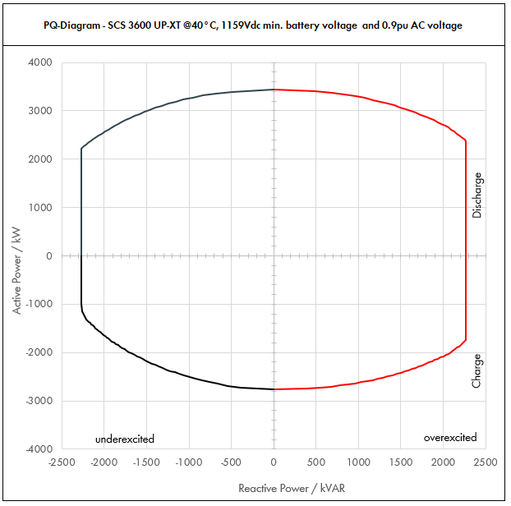

 | Apparent Power [kVA] |  |  |  | Active Power [kW] |  |  |  | Reactive Power [kVAR]
PF | Dis-OE | Dis-UE | Cha-OE | Cha-UE | Dis-OE | Dis-UE | Cha-OE | Cha-UE | Dis-OE | Dis-UE | Cha-OE | Cha-UE
0 | 2268.0022958 | 2268.0018391 | 2268.0019918 | 2268.0015696 | 0 | 0 | 0 | 0 | 2268.0022958 | -2268.0018391 | 2268.0019918 | -2268.0015696
0.01 | 2268.0022958 | 2268.0018391 | 2268.0019918 | 2268.0015696 | 0.022680022958 | 0.022680018391 | -0.022680019918 | -0.022680015696 | 2268.0022957 | -2268.001839 | 2268.0019917 | -2268.0015695
0.05 | 2279.4791046 | 2277.1955998 | 2277.9591023 | 2275.8480197 | 113.97395523 | 113.85977999 | -113.89795512 | -113.79240099 | 2268.0022958 | -2268.0018391 | 2268.0019918 | -2268.0018391
0.1 | 2290.9582092 | 2286.3911997 | 2287.9182046 | 2283.6960394 | 229.09582092 | 228.63911997 | -228.79182046 | -228.36960394 | 2268.0022958 | -2268.0018391 | 2268.0019918 | -2268.0018391
0.15 | 2325.1558176 | 2314.3147366 | 2316.8428732 | 2306.0890912 | 348.77337263 | 347.14721049 | -347.52643098 | -345.91336368 | 2268.0022958 | -2268.0018391 | 2268.0019918 | -2268.0018391
0.2 | 2359.3534259 | 2342.2382735 | 2345.7675418 | 2328.482143 | 471.87068518 | 468.44765469 | -469.15350835 | -465.69642859 | 2268.0022958 | -2268.0018391 | 2268.0019918 | -2268.0018391
0.25 | 2414.8781358 | 2389.2624237 | 2391.9272514 | 2363.9093467 | 603.71953395 | 597.31560593 | -597.98181284 | -590.97733667 | 2268.0022958 | -2268.0018391 | 2268.0019918 | -2268.0018391
0.3 | 2470.4028457 | 2436.286574 | 2438.086961 | 2399.3365504 | 741.12085371 | 730.8859722 | -731.42608829 | -719.80096513 | 2268.0022958 | -2268.0018391 | 2268.0019918 | -2268.0018391
0.35 | 2547.8188631 | 2501.6876567 | 2498.3736161 | 2446.5118542 | 891.7366021 | 875.59067985 | -874.43076562 | -856.27914897 | 2268.0022958 | -2268.0018391 | 2268.0019918 | -2268.0018391
...

CATL_40C_1.0pu
...
SCS UP (XT) device |  |  |  | 3600 UP-XT |  |  |  | All values on inverter terminal level!
Installation Altitude |  |  |  | 0 … 1000 |  | m
Max. Battery Voltage (min. 1200V)* |  |  |  | 1490 |  | VDC
Nom. Battery Voltage** |  |  |  | 1291.4 |  | VDC
Min. Battery Voltage*** |  |  |  | 1159 |  | VDC |  | Please select:
AC Voltage |  |  |  | 1 |  | pu |  | Project plant specific |  |  | VArRtg: | 2520 | kVAr
PF Dis-OE (@min battery voltage) |  |  |  | 0
PF Cha-OE (@nom battery voltage) |  |  |  | 0

 | PQ-Diagram - SCS 3600 UP-XT @40°C, 1159Vdc min. battery voltage and 1pu AC voltage
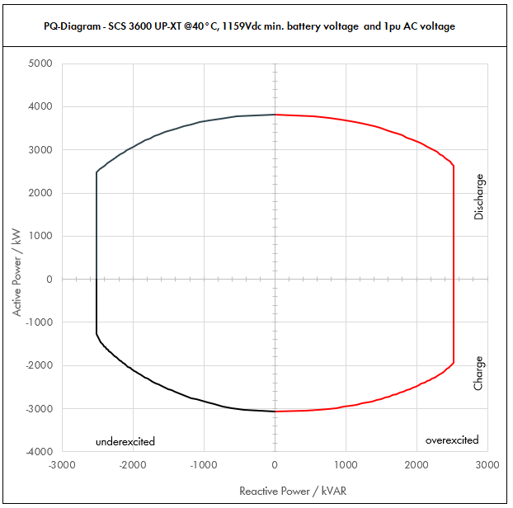

 | Apparent Power [kVA] |  |  |  | Active Power [kW] |  |  |  | Reactive Power [kVAR]
PF | Dis-OE | Dis-UE | Cha-OE | Cha-UE | Dis-OE | Dis-UE | Cha-OE | Cha-UE | Dis-OE | Dis-UE | Cha-OE | Cha-UE
0 | 2520.0025509 | 2520.0020435 | 2520.0022131 | 2520.001744 | 0 | 0 | 0 | 0 | 2520.0025509 | -2520.0020435 | 2520.0022131 | -2520.001744
0.01 | 2520.0025509 | 2520.0020435 | 2520.0022131 | 2520.001744 | 0.025200025509 | 0.025200020435 | -0.025200022131 | -0.02520001744 | 2520.0025508 | -2520.0020433 | 2520.002213 | -2520.0017439
0.05 | 2532.7545607 | 2530.2173331 | 2531.0656692 | 2528.7200219 | 126.63772803 | 126.51086666 | -126.55328346 | -126.43600109 | 2520.0025509 | -2520.0020435 | 2520.0022131 | -2520.0020435
0.1 | 2545.5091214 | 2540.4346663 | 2542.1313385 | 2537.4400438 | 254.55091214 | 254.04346663 | -254.21313385 | -253.74400438 | 2520.0025509 | -2520.0020435 | 2520.0022131 | -2520.0020435
0.15 | 2583.506464 | 2571.4608184 | 2574.2698591 | 2562.3212124 | 387.52596959 | 385.71912276 | -386.14047887 | -384.34818187 | 2520.0025509 | -2520.0020435 | 2520.0022131 | -2520.0020435
0.2 | 2621.5038065 | 2602.4869705 | 2606.4083797 | 2587.2023811 | 524.30076131 | 520.49739411 | -521.28167595 | -517.44047622 | 2520.0025509 | -2520.0020435 | 2520.0022131 | -2520.0020435
0.25 | 2683.1979287 | 2654.7360264 | 2657.6969459 | 2626.5659408 | 670.79948217 | 663.68400659 | -664.42423649 | -656.64148519 | 2520.0025509 | -2520.0020435 | 2520.0022131 | -2520.0020435
0.3 | 2744.8920508 | 2706.9850822 | 2708.9855122 | 2665.9295005 | 823.46761524 | 812.09552466 | -812.69565365 | -799.77885014 | 2520.0025509 | -2520.0020435 | 2520.0022131 | -2520.0020435
0.35 | 2830.9098479 | 2779.6529519 | 2775.9706845 | 2718.3465047 | 990.81844678 | 972.87853316 | -971.58973958 | -951.42127663 | 2520.0025509 | -2520.0020435 | 2520.0022131 | -2520.0020435
...

CATL_40C_1.1pu
...
SCS UP (XT) device |  |  |  | 3600 UP-XT |  |  |  | All values on inverter terminal level!
Installation Altitude |  |  |  | 0 … 1000 |  | m
Max. Battery Voltage (min. 1200V)* |  |  |  | 1490 |  | VDC
Nom. Battery Voltage** |  |  |  | 1291.4 |  | VDC
Min. Battery Voltage*** |  |  |  | 1159 |  | VDC |  | Please select:
AC Voltage |  |  |  | 1.1 |  | pu |  | Project plant specific |  |  | VArRtg: | 2520 | kVAr
PF Dis-OE (@min battery voltage) |  |  |  | 0
PF Cha-OE (@nom battery voltage) |  |  |  | 0

 | PQ-Diagram - SCS 3600 UP-XT @40°C, 1159Vdc min. battery voltage and 1.1pu AC voltage
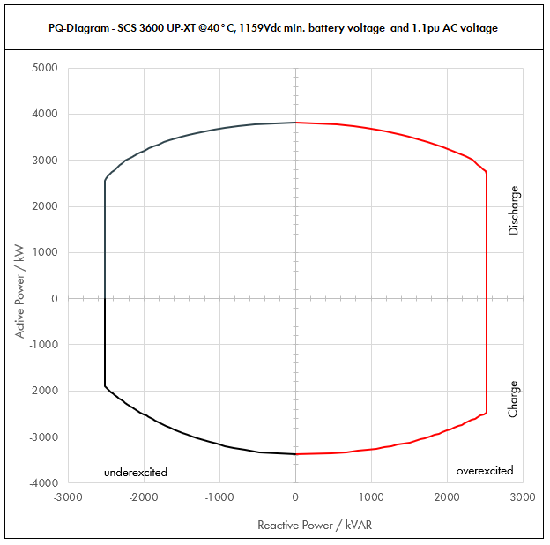

 | Apparent Power [kVA] |  |  |  | Active Power [kW] |  |  |  | Reactive Power [kVAR]
PF | Dis-OE | Dis-UE | Cha-OE | Cha-UE | Dis-OE | Dis-UE | Cha-OE | Cha-UE | Dis-OE | Dis-UE | Cha-OE | Cha-UE
0 | 2520.0027539 | 2520.0021804 | 2520.0027162 | 2520.0020841 | 0 | 0 | 0 | 0 | 2520.0027539 | -2520.0021804 | 2520.0027162 | -2520.0020841
0.01 | 2520.0027539 | 2520.0021804 | 2520.0027162 | 2520.0020841 | 0.025200027539 | 0.025200021804 | -0.025200027162 | -0.025200020841 | 2520.0027538 | -2520.0021802 | 2520.002716 | -2520.002084
0.05 | 2533.7693887 | 2530.9018593 | 2533.5808516 | 2530.4204043 | 126.68846944 | 126.54509296 | -126.67904258 | -126.52102021 | 2520.0027539 | -2520.0021804 | 2520.0027162 | -2520.0021804
0.1 | 2547.5387775 | 2541.8037185 | 2547.1617032 | 2540.8408086 | 254.75387775 | 254.18037185 | -254.71617032 | -254.08408086 | 2520.0027539 | -2520.0021804 | 2520.0027162 | -2520.0021804
0.15 | 2588.7576871 | 2574.8939677 | 2586.698209 | 2570.5942275 | 388.31365306 | 386.23409516 | -388.00473136 | -385.58913413 | 2520.0027539 | -2520.0021804 | 2520.0027162 | -2520.0021804
0.2 | 2629.9765966 | 2607.9842169 | 2626.2347149 | 2600.3476464 | 525.99531933 | 521.59684337 | -525.24694299 | -520.06952929 | 2520.0027539 | -2520.0021804 | 2520.0027162 | -2520.0021804
0.25 | 2696.1137684 | 2663.4350315 | 2688.2450145 | 2647.6823557 | 674.02844209 | 665.85875788 | -672.06125363 | -661.92058894 | 2520.0027539 | -2520.0021804 | 2520.0027162 | -2520.0021804
0.3 | 2762.2509401 | 2718.8858462 | 2750.2553141 | 2695.017065 | 828.67528202 | 815.66575385 | -825.07659422 | -808.50511951 | 2520.0027539 | -2520.0021804 | 2520.0027162 | -2520.0021804
0.35 | 2851.1411388 | 2795.860024 | 2829.8762592 | 2756.9152328 | 997.89939856 | 978.55100842 | -990.45669071 | -964.92033148 | 2520.0027539 | -2520.0021804 | 2520.0027162 | -2520.0021804
...

CATL_50C_0.9pu
...
SCS UP (XT) device |  |  |  | 3600 UP-XT |  |  |  | All values on inverter terminal level!
Installation Altitude |  |  |  | 0 … 1000 |  | m
Max. Battery Voltage (min. 1200V)* |  |  |  | 1490 |  | VDC
Nom. Battery Voltage** |  |  |  | 1291.4 |  | VDC
Min. Battery Voltage*** |  |  |  | 1159 |  | VDC |  | Please select:
AC Voltage |  |  |  | 0.9 |  | pu |  | Project plant specific |  |  | VArRtg: | 2520 | kVAr
PF Dis-OE (@min battery voltage) |  |  |  | 0
PF Cha-OE (@nom battery voltage) |  |  |  | 0

 | PQ-Diagram - SCS 3600 UP-XT @50°C, 1159Vdc min. battery voltage and 0.9pu AC voltage
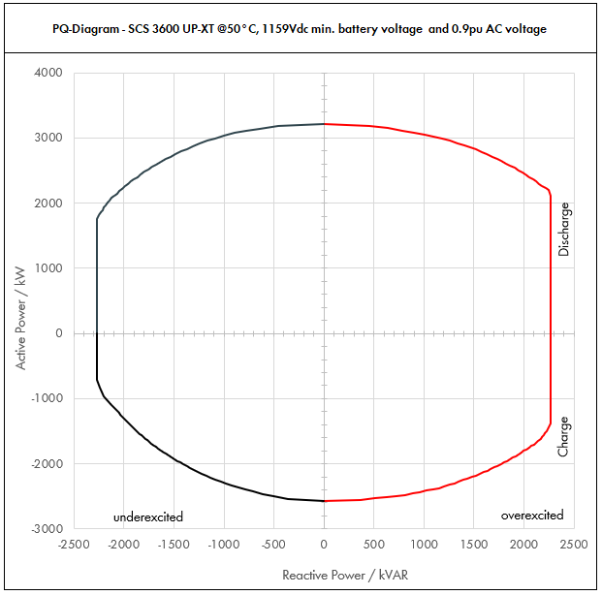

 | Apparent Power [kVA] |  |  |  | Active Power [kW] |  |  |  | Reactive Power [kVAR]
PF | Dis-OE | Dis-UE | Cha-OE | Cha-UE | Dis-OE | Dis-UE | Cha-OE | Cha-UE | Dis-OE | Dis-UE | Cha-OE | Cha-UE
0 | 2268.0020153 | 2268.0015947 | 2268.0017213 | 2268.0013592 | 0 | 0 | 0 | 0 | 2268.0020153 | -2268.0015947 | 2268.0017213 | -2268.0013592
0.01 | 2268.0020153 | 2268.0015947 | 2268.0017213 | 2268.0013592 | 0.022680020153 | 0.022680015947 | -0.022680017213 | -0.022680013592 | 2268.0020152 | -2268.0015946 | 2268.0017211 | -2268.001359
0.05 | 2278.0763899 | 2275.9735164 | 2276.6062528 | 2274.7957702 | 113.90381949 | 113.79867582 | -113.83031264 | -113.73978851 | 2268.0020153 | -2268.0015947 | 2268.0017213 | -2268.0015947
0.1 | 2288.1527798 | 2283.9470328 | 2285.2125055 | 2281.5915405 | 228.81527798 | 228.39470328 | -228.52125055 | -228.15915405 | 2268.0020153 | -2268.0015947 | 2268.0017213 | -2268.0015947
0.15 | 2318.2457251 | 2308.3990783 | 2310.279775 | 2300.9490372 | 347.73685876 | 346.25986175 | -346.54196625 | -345.14235558 | 2268.0020153 | -2268.0015947 | 2268.0017213 | -2268.0015947
0.2 | 2348.3386703 | 2332.8511238 | 2335.3470444 | 2320.3065339 | 469.66773406 | 466.57022476 | -467.06940889 | -464.06130678 | 2268.0020153 | -2268.0015947 | 2268.0017213 | -2268.0015947
0.25 | 2397.4832175 | 2374.1033471 | 2375.1156124 | 2351.0023536 | 599.37080436 | 593.52583678 | -593.7789031 | -587.7505884 | 2268.0020153 | -2268.0015947 | 2268.0017213 | -2268.0015947
0.3 | 2446.6277646 | 2415.3555704 | 2414.8841803 | 2381.6981733 | 733.98832938 | 724.60667112 | -724.4652541 | -714.50945199 | 2268.0020153 | -2268.0015947 | 2268.0017213 | -2268.0015947
0.35 | 2515.2450909 | 2473.1021798 | 2467.6098225 | 2392.4680626 | 880.33578183 | 865.58576294 | -863.66343787 | -837.36382191 | 2268.0020153 | -2268.0015947 | 2268.0017213 | -2241.1437393
...

CATL_50C_1.0pu
...
SCS UP (XT) device |  |  |  | 3600 UP-XT |  |  |  | All values on inverter terminal level!
Installation Altitude |  |  |  | 0 … 1000 |  | m
Max. Battery Voltage (min. 1200V)* |  |  |  | 1490 |  | VDC
Nom. Battery Voltage** |  |  |  | 1291.4 |  | VDC
Min. Battery Voltage*** |  |  |  | 1159 |  | VDC |  | Please select:
AC Voltage |  |  |  | 1 |  | pu |  | Project plant specific |  |  | VArRtg: | 2520 | kVAr
PF Dis-OE (@min battery voltage) |  |  |  | 0
PF Cha-OE (@nom battery voltage) |  |  |  | 0

 | PQ-Diagram - SCS 3600 UP-XT @50°C, 1159Vdc min. battery voltage and 1pu AC voltage
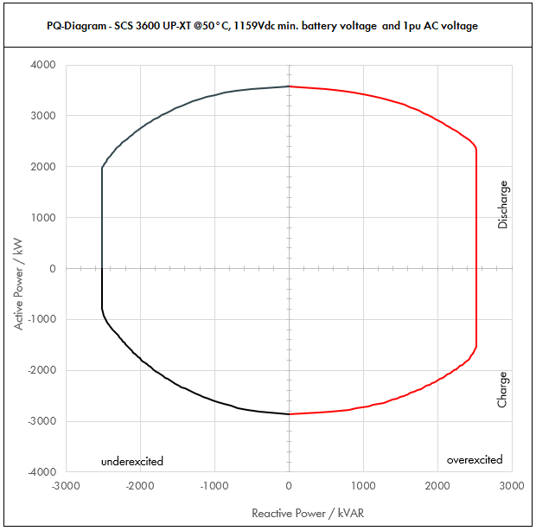

 | Apparent Power [kVA] |  |  |  | Active Power [kW] |  |  |  | Reactive Power [kVAR]
PF | Dis-OE | Dis-UE | Cha-OE | Cha-UE | Dis-OE | Dis-UE | Cha-OE | Cha-UE | Dis-OE | Dis-UE | Cha-OE | Cha-UE
0 | 2520.0022392 | 2520.0017719 | 2520.0019125 | 2520.0015102 | 0 | 0 | 0 | 0 | 2520.0022392 | -2520.0017719 | 2520.0019125 | -2520.0015102
0.01 | 2520.0022392 | 2520.0017719 | 2520.0019125 | 2520.0015102 | 0.025200022392 | 0.025200017719 | -0.025200019125 | -0.025200015102 | 2520.0022391 | -2520.0017718 | 2520.0019124 | -2520.00151
0.05 | 2531.1959888 | 2528.8594627 | 2529.5625031 | 2527.5508558 | 126.55979944 | 126.44297313 | -126.47812515 | -126.37754279 | 2520.0022392 | -2520.0017719 | 2520.0019125 | -2520.0017719
0.1 | 2542.3919776 | 2537.7189254 | 2539.1250062 | 2535.1017116 | 254.23919776 | 253.77189254 | -253.91250062 | -253.51017116 | 2520.0022392 | -2520.0017719 | 2520.0019125 | -2520.0017719
0.15 | 2575.8285834 | 2564.8878648 | 2566.9775278 | 2556.6100413 | 386.37428751 | 384.73317972 | -385.04662917 | -383.4915062 | 2520.0022392 | -2520.0017719 | 2520.0019125 | -2520.0017719
0.2 | 2609.2651892 | 2592.0568042 | 2594.8300494 | 2578.118371 | 521.85303785 | 518.41136085 | -518.96600988 | -515.6236742 | 2520.0022392 | -2520.0017719 | 2520.0019125 | -2520.0017719
0.25 | 2663.8702416 | 2637.8926079 | 2639.0173471 | 2612.2248373 | 665.9675604 | 659.47315197 | -659.75433678 | -653.05620934 | 2520.0022392 | -2520.0017719 | 2520.0019125 | -2520.0017719
0.3 | 2718.475294 | 2683.7284116 | 2683.2046448 | 2646.3313037 | 815.5425882 | 805.11852347 | -804.96139344 | -793.8993911 | 2520.0022392 | -2520.0017719 | 2520.0019125 | -2520.0017719
0.35 | 2794.7167677 | 2747.8913109 | 2741.7886916 | 2658.2978473 | 978.15086869 | 961.76195882 | -959.62604208 | -930.40424656 | 2520.0022392 | -2520.0017719 | 2520.0019125 | -2490.1597104
...

CATL_50C_1.1pu
...
SCS UP (XT) device |  |  |  | 3600 UP-XT |  |  |  | All values on inverter terminal level!
Installation Altitude |  |  |  | 0 … 1000 |  | m
Max. Battery Voltage (min. 1200V)* |  |  |  | 1490 |  | VDC
Nom. Battery Voltage** |  |  |  | 1291.4 |  | VDC
Min. Battery Voltage*** |  |  |  | 1159 |  | VDC |  | Please select:
AC Voltage |  |  |  | 1.1 |  | pu |  | Project plant specific |  |  | VArRtg: | 2520 | kVAr
PF Dis-OE (@min battery voltage) |  |  |  | 0
PF Cha-OE (@nom battery voltage) |  |  |  | 0

 | PQ-Diagram - SCS 3600 UP-XT @50°C, 1159Vdc min. battery voltage and 1.1pu AC voltage
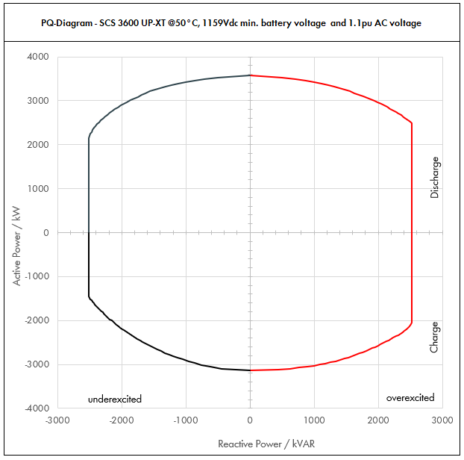

 | Apparent Power [kVA] |  |  |  | Active Power [kW] |  |  |  | Reactive Power [kVAR]
PF | Dis-OE | Dis-UE | Cha-OE | Cha-UE | Dis-OE | Dis-UE | Cha-OE | Cha-UE | Dis-OE | Dis-UE | Cha-OE | Cha-UE
0 | 2520.0022392 | 2520.0017719 | 2520.0019125 | 2520.0015102 | 0 | 0 | 0 | 0 | 2520.0022392 | -2520.0017719 | 2520.0019125 | -2520.0015102
0.01 | 2520.0022392 | 2520.0017719 | 2520.0019125 | 2520.0015102 | 0.025200022392 | 0.025200017719 | -0.025200019125 | -0.025200015102 | 2520.0022391 | -2520.0017718 | 2520.0019124 | -2520.00151
0.05 | 2531.1959888 | 2528.8594627 | 2529.5625031 | 2527.5508558 | 126.55979944 | 126.44297313 | -126.47812515 | -126.37754279 | 2520.0022392 | -2520.0017719 | 2520.0019125 | -2520.0017719
0.1 | 2542.3919776 | 2537.7189254 | 2539.1250062 | 2535.1017116 | 254.23919776 | 253.77189254 | -253.91250062 | -253.51017116 | 2520.0022392 | -2520.0017719 | 2520.0019125 | -2520.0017719
0.15 | 2575.8285834 | 2564.8878648 | 2566.9775278 | 2556.6100413 | 386.37428751 | 384.73317972 | -385.04662917 | -383.4915062 | 2520.0022392 | -2520.0017719 | 2520.0019125 | -2520.0017719
0.2 | 2609.2651892 | 2592.0568042 | 2594.8300494 | 2578.118371 | 521.85303785 | 518.41136085 | -518.96600988 | -515.6236742 | 2520.0022392 | -2520.0017719 | 2520.0019125 | -2520.0017719
0.25 | 2663.8702416 | 2637.8926079 | 2639.0173471 | 2612.2248373 | 665.9675604 | 659.47315197 | -659.75433678 | -653.05620934 | 2520.0022392 | -2520.0017719 | 2520.0019125 | -2520.0017719
0.3 | 2718.475294 | 2683.7284116 | 2683.2046448 | 2646.3313037 | 815.5425882 | 805.11852347 | -804.96139344 | -793.8993911 | 2520.0022392 | -2520.0017719 | 2520.0019125 | -2520.0017719
0.35 | 2794.7167677 | 2747.8913109 | 2741.7886916 | 2658.2978473 | 978.15086869 | 961.76195882 | -959.62604208 | -930.40424656 | 2520.0022392 | -2520.0017719 | 2520.0019125 | -2490.1597104
...

